AnnualSciProd
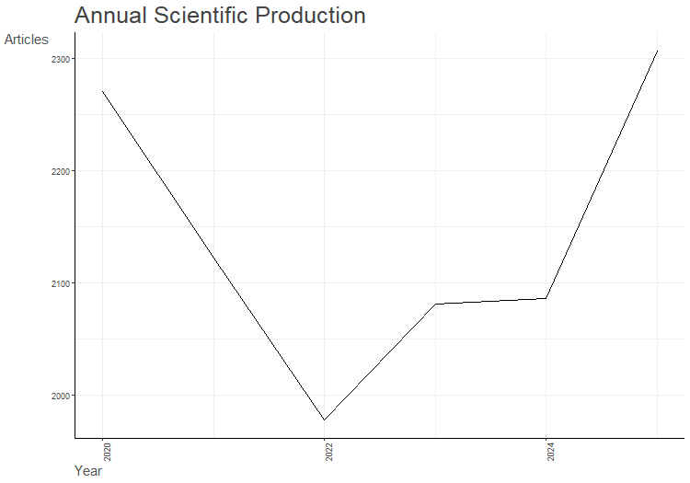
Year | Articles
2020 | 2271
2021 | 2122
2022 | 1978
2023 | 2081
2024 | 2086
2025 | 2307

AnnualCitPerYear
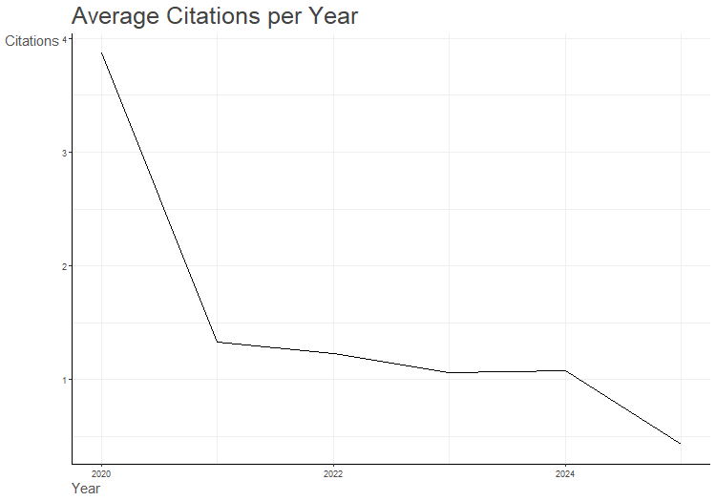
Year | MeanTCperArt | N | MeanTCperYear | CitableYears
2020 | 27.07 | 2271 | 3.87 | 7
2021 | 7.98 | 2122 | 1.33 | 6
2022 | 6.17 | 1978 | 1.23 | 5
2023 | 4.25 | 2081 | 1.06 | 4
2024 | 3.23 | 2086 | 1.08 | 3
2025 | 0.86 | 2307 | 0.43 | 2

LifeCycle
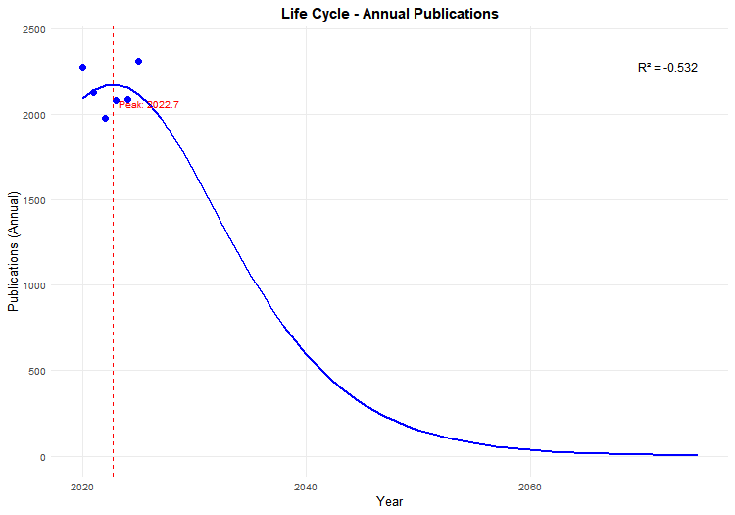
Metrics | Value
K | 59339.836244
tm | 3.7423403097
delta_t | 30

K | tm_year | delta_t | peak_annual | year_10_pct | year_90_pct | year_99_pct
59339.836244 | 2022.7423403 | 30 | 2173.0491102 | 2007.7423403 | 2037.7423403 | 2054.1122778

PY | n | year_index | fitted_annual | fitted_cumulative | cumulative
2020 | 2271 | 1 | 2087.6904964 | 23789.539989 | 2271
2021 | 2122 | 2 | 2138.0429152 | 25904.146046 | 4393
2022 | 1978 | 3 | 2166.638096 | 28058.363807 | 6371
2023 | 2081 | 4 | 2172.2754223 | 30229.758827 | 8452
2024 | 2086 | 5 | 2154.7153936 | 32395.171165 | 10538
2025 | 2307 | 6 | 2114.7009978 | 34531.694537 | 12845

PY | year_index | predicted_annual | predicted_cumulative
2026 | 7 | 2053.8917685 | 36617.632883
2027 | 8 | 1974.7204022 | 38633.350954
2028 | 9 | 1880.1926963 | 40561.951089
2029 | 10 | 1773.6579826 | 42389.732791
2030 | 11 | 1658.5782529 | 44106.419829
2031 | 12 | 1538.3202981 | 45705.166209
2032 | 13 | 1415.988032 | 47182.373295
2033 | 14 | 1294.3037583 | 48537.363336
2034 | 15 | 1175.5393195 | 49771.95941
2035 | 16 | 1061.4920636 | 50890.019541
2036 | 17 | 953.49688925 | 51896.965635
2037 | 18 | 852.46418291 | 52799.33827
2038 | 19 | 758.93374492 | 53604.398193
2039 | 20 | 673.1362046 | 54319.78613
2040 | 21 | 595.05534934 | 54953.244913
2041 | 22 | 524.48679457 | 55512.402428
2042 | 23 | 461.09021102 | 56004.610165
2043 | 24 | 404.43376285 | 56436.830165
2044 | 25 | 354.03046038 | 56815.562358
2045 | 26 | 309.36682667 | 57146.804353
2046 | 27 | 269.92468281 | 57436.036377
2047 | 28 | 235.197045 | 57688.224968
2048 | 29 | 204.69916622 | 57907.840056
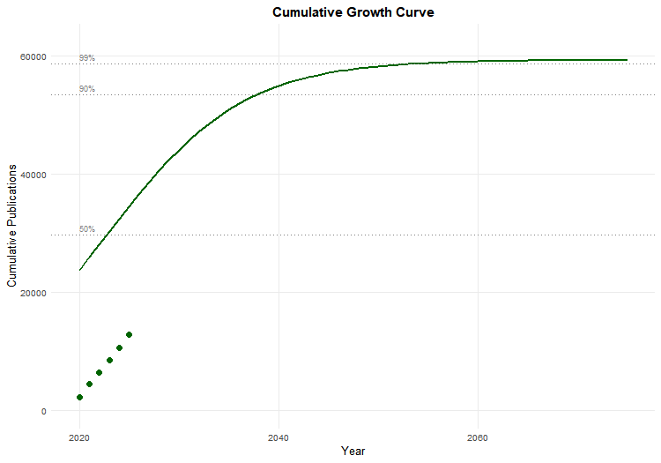
2049 | 30 | 177.97570037 | 58098.881063
2050 | 31 | 154.60486141 | 58264.908603
2051 | 32 | 134.20032214 | 58409.079154
2052 | 33 | 116.41146663 | 58534.180754
2053 | 34 | 100.92248867 | 58642.668344
2054 | 35 | 87.450720256 | 58736.69779
2055 | 36 | 75.744483625 | 58818.157977
2056 | 37 | 65.580684646 | 58888.700613
2057 | 38 | 56.762305875 | 58949.767558
2058 | 39 | 49.115910353 | 59002.615651
2059 | 40 | 42.48923124 | 59048.339075
2060 | 41 | 36.748895285 | 59087.889375
2061 | 42 | 31.778308087 | 59122.093284
2062 | 43 | 27.475714693 | 59151.668511
2063 | 44 | 23.752438922 | 59177.237691
2064 | 45 | 20.531297878 | 59199.340655
2065 | 46 | 17.74518366 | 59218.445198
2066 | 47 | 15.335801477 | 59234.956515
2067 | 48 | 13.252552004 | 59249.225438
2068 | 49 | 11.451545177 | 59261.555635
2069 | 50 | 9.8947327146 | 59272.20987
2070 | 51 | 8.5491471095 | 59281.41546
2071 | 52 | 7.386235498 | 59289.369013
2072 | 53 | 6.3812777067 | 59296.240545
2073 | 54 | 5.5128786545 | 59302.177056
2074 | 55 | 4.7625262227 | 59307.305624
2075 | 56 | 4.114206604 | 59311.736095

year | year_index | annual | cumulative
2020 | 1 | 2087.6904964 | 23789.539989
2021 | 2 | 2138.0429152 | 25904.146046
2022 | 3 | 2166.638096 | 28058.363807
2023 | 4 | 2172.2754223 | 30229.758827
2024 | 5 | 2154.7153936 | 32395.171165
2025 | 6 | 2114.7009978 | 34531.694537
2026 | 7 | 2053.8917685 | 36617.632883
2027 | 8 | 1974.7204022 | 38633.350954
2028 | 9 | 1880.1926963 | 40561.951089
2029 | 10 | 1773.6579826 | 42389.732791
2030 | 11 | 1658.5782529 | 44106.419829
2031 | 12 | 1538.3202981 | 45705.166209
2032 | 13 | 1415.988032 | 47182.373295
2033 | 14 | 1294.3037583 | 48537.363336
2034 | 15 | 1175.5393195 | 49771.95941
2035 | 16 | 1061.4920636 | 50890.019541
2036 | 17 | 953.49688925 | 51896.965635
2037 | 18 | 852.46418291 | 52799.33827
2038 | 19 | 758.93374492 | 53604.398193
2039 | 20 | 673.1362046 | 54319.78613
2040 | 21 | 595.05534934 | 54953.244913
2041 | 22 | 524.48679457 | 55512.402428
2042 | 23 | 461.09021102 | 56004.610165
2043 | 24 | 404.43376285 | 56436.830165
2044 | 25 | 354.03046038 | 56815.562358
2045 | 26 | 309.36682667 | 57146.804353
2046 | 27 | 269.92468281 | 57436.036377
2047 | 28 | 235.197045 | 57688.224968
2048 | 29 | 204.69916622 | 57907.840056
2049 | 30 | 177.97570037 | 58098.881063
2050 | 31 | 154.60486141 | 58264.908603
2051 | 32 | 134.20032214 | 58409.079154
2052 | 33 | 116.41146663 | 58534.180754
2053 | 34 | 100.92248867 | 58642.668344
2054 | 35 | 87.450720256 | 58736.69779
2055 | 36 | 75.744483625 | 58818.157977
2056 | 37 | 65.580684646 | 58888.700613
2057 | 38 | 56.762305875 | 58949.767558
2058 | 39 | 49.115910353 | 59002.615651
2059 | 40 | 42.48923124 | 59048.339075
2060 | 41 | 36.748895285 | 59087.889375
2061 | 42 | 31.778308087 | 59122.093284
2062 | 43 | 27.475714693 | 59151.668511
2063 | 44 | 23.752438922 | 59177.237691
2064 | 45 | 20.531297878 | 59199.340655
2065 | 46 | 17.74518366 | 59218.445198
2066 | 47 | 15.335801477 | 59234.956515
2067 | 48 | 13.252552004 | 59249.225438
2068 | 49 | 11.451545177 | 59261.555635
2069 | 50 | 9.8947327146 | 59272.20987
2070 | 51 | 8.5491471095 | 59281.41546
2071 | 52 | 7.386235498 | 59289.369013
2072 | 53 | 6.3812777067 | 59296.240545
2073 | 54 | 5.5128786545 | 59302.177056
2074 | 55 | 4.7625262227 | 59307.305624
2075 | 56 | 4.114206604 | 59311.736095

R_squared | RMSE | AIC | BIC
-0.53153081001 | 141.11224537 | 65.394667682 | 64.76994609

Year | Residuals
1 | 183.3095036
2 | -16.042915217
3 | -188.63809595
4 | -91.275422298
5 | -68.715393634
6 | 192.29900219

base_year
2020

MostRelSources
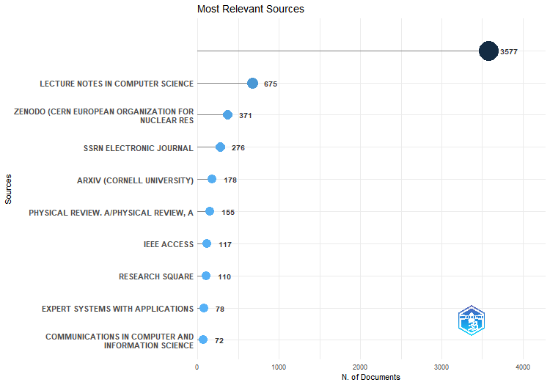
Sources | Articles
 | 3577
LECTURE NOTES IN COMPUTER SCIENCE | 675
ZENODO (CERN EUROPEAN ORGANIZATION FOR NUCLEAR RESEARCH) | 371
SSRN ELECTRONIC JOURNAL | 276
ARXIV (CORNELL UNIVERSITY) | 178
PHYSICAL REVIEW. A/PHYSICAL REVIEW, A | 155
IEEE ACCESS | 117
RESEARCH SQUARE | 110
EXPERT SYSTEMS WITH APPLICATIONS | 78
COMMUNICATIONS IN COMPUTER AND INFORMATION SCIENCE | 72
ANAIS CONGRESSO BRASILEIRO DE ENERGIA SOLAR | 68
LECTURE NOTES IN NETWORKS AND SYSTEMS | 65
HAL (LE CENTRE POUR LA COMMUNICATION SCIENTIFIQUE DIRECTE) | 58
JOURNAL OF SOUTH AMERICAN EARTH SCIENCES | 58
QUANTUM INFORMATION PROCESSING | 52
HARVARD DATAVERSE | 49
APPLIED SOFT COMPUTING | 43
IEEE LATIN AMERICA TRANSACTIONS | 42
INFORMATION SCIENCES | 41
LA REFERENCIA (RED FEDERADA DE REPOSITORIOS INSTITUCIONALES DE PUBLICACIONES CIENTÍFICAS) | 41
CONGRESSO BRASILEIRO DE AUTOMÁTICA | 39
JOURNAL OF THE BRAZILIAN COMPUTER SOCIETY | 38
ANAIS DO SIMPÓSIO BRASILEIRO DE PESQUISA OPERACIONAL | 36
SENSORS | 35
ADVANCES IN INTELLIGENT SYSTEMS AND COMPUTING | 34
APPLIED SCIENCES | 31
ELECTRONIC PROCEEDINGS IN THEORETICAL COMPUTER SCIENCE | 30
LANGUAGE RESOURCES AND EVALUATION | 30
ENTROPY | 29
RESEARCH SOCIETY AND DEVELOPMENT | 29
ABRALIN | 28
NEUROCOMPUTING | 28
SCIENTIFIC REPORTS | 28
ANAIS DO CONGRESSO BRASILEIRO DE AUTOMÁTICA 2020 | 27
SN COMPUTER SCIENCE | 27
KNOWLEDGE AND INFORMATION SYSTEMS | 26
NEURAL COMPUTING AND APPLICATIONS | 26
DOAJ (DOAJ: DIRECTORY OF OPEN ACCESS JOURNALS) | 25
ENERGIES | 25
ENGINEERING APPLICATIONS OF ARTIFICIAL INTELLIGENCE | 25
KNOWLEDGE-BASED SYSTEMS | 25
PREPRINTS.ORG | 25
ARTIFICIAL INTELLIGENCE REVIEW | 24
BRAZILIAN JOURNAL OF DEVELOPMENT | 24
REVISTA BRASILEIRA DE ENERGIA SOLAR | 24
PHYSICS LETTERS A | 23
REVISTA LINGUÍƩTICA | 23
FINITE FIELDS AND THEIR APPLICATIONS | 22
ANUÁRIO DO INSTITUTO DE GEOCIÊNCIAS | 21
LECTURE NOTES IN BUSINESS INFORMATION PROCESSING | 21
PROCEEDINGS OF THE GENETIC AND EVOLUTIONARY COMPUTATION CONFERENCE | 21
BRAZILIAN JOURNAL OF PHYSICS | 20
GEOCIÊNCIAS | 20
GEOLOGIA USP SÉRIE CIENTÍFICA | 20
JOURNAL OF CONTROL AUTOMATION AND ELECTRICAL SYSTEMS | 20
PROCEDIA COMPUTER SCIENCE | 20
PROCEEDING OF THE 17TH INTERNATIONAL CONGRESS OF THE BRAZILIAN GEOPHYSICAL | 20
REVISTA DE ESTUDOS DA LINGUAGEM | 20
BIORXIV (COLD SPRING HARBOR LABORATORY) | 19
BRAZILIAN JOURNAL OF GEOPHYSICS | 19
PROCEEDING SERIES OF THE BRAZILIAN SOCIETY OF COMPUTATIONAL AND APPLIED MATHEMATICS | 19
REVISTA DE ITALIANÍSTICA | 19
ELSEVIER EBOOKS | 18
IEEE INTERNET OF THINGS JOURNAL | 18
PHYSICAL REVIEW RESEARCH | 18
PLOS ONE | 18
PROCEEDINGS OF THE GENETIC AND EVOLUTIONARY COMPUTATION CONFERENCE COMPANION | 18
ENTERTAINMENT COMPUTING | 17
ESTUDOS LINGUÍSTICOS (SÃO PAULO 1978) | 17
JOURNAL OF INFORMATION AND DATA MANAGEMENT | 17
MINERALS | 17
MULTIMEDIA TOOLS AND APPLICATIONS | 17
PATTERN RECOGNITION | 17
PHYSICAL REVIEW LETTERS | 17
WORLD CONGRESS ON MEDICAL PHYSICS AND BIOMEDICAL ENGINEERING, SEPTEMBER 7 - 12, 2009, MUNICH, GERMANY | 17
JOURNAL ON INTERACTIVE SYSTEMS | 16
MACHINE LEARNING | 16
MEDRXIV | 16
PROCEEDINGS OF THE AAAI CONFERENCE ON ARTIFICIAL INTELLIGENCE | 16
RENEWABLE ENERGY | 16
ANAIS DO XI COMPUTER ON THE BEACH - COTB '20 | 15
CAMBRIDGE UNIVERSITY PRESS EBOOKS | 15
DATA MINING AND KNOWLEDGE DISCOVERY | 15
DESIGNS CODES AND CRYPTOGRAPHY | 15
DOMÍNIOS DE LINGU GEM | 15
JOURNAL OF THE GEOLOGICAL SURVEY OF BRAZIL | 15
ORE GEOLOGY REVIEWS | 15
PHYSICA A STATISTICAL MECHANICS AND ITS APPLICATIONS | 15
PHYSICAL REVIEW. E | 15
REVISTA DE INFORMÁTICA TEÓRICA E APLICADA | 15
2022 INTERNATIONAL JOINT CONFERENCE ON NEURAL NETWORKS (IJCNN) | 14
ANAIS DO ... SIMPÓSIO BRASILEIRO DE SISTEMAS ELÉTRICOS | 14
ANAIS DO COMPUTER ON THE BEACH | 14
CONFLUÊNCIA | 14
FRONTIERS IN ARTIFICIAL INTELLIGENCE AND APPLICATIONS | 14
MATHEMATICS | 14
PHYSICA SCRIPTA | 14
QUANTUM SCIENCE AND TECHNOLOGY | 14
REVISTA BRASILEIRA DE ENSINO DE FÍSICA | 14
REVISTA ELETRÔNICA DE INICIAÇÃO CIENTÍFICA EM COMPUTAÇÃO | 14
TUGRAZ OPEN LIBRARY (GRAZ UNIVERSITY OF TECHNOLOGY) | 14
FIGSHARE | 13
IEEE TRANSACTIONS ON NEURAL NETWORKS AND LEARNING SYSTEMS | 13
JOURNAL OF INTELLIGENT & FUZZY SYSTEMS | 13
JOURNAL OF INTERNET SERVICES AND APPLICATIONS | 13
JOURNAL OF LOGIC AND COMPUTATION | 13
LINGUAMÁTICA | 13
NEURAL NETWORKS | 13
PROCEEDINGS OF THE ... INTERNATIONAL FLORIDA ARTIFICIAL INTELLIGENCE RESEARCH SOCIETY CONFERENCE | 13
REVISTA BRASILEIRA DE GEOGRAFIA FÍSICA | 13
SEVEN EDITORA EBOOKS | 13
SOFT COMPUTING | 13
SPRINGERBRIEFS IN MATHEMATICS | 13
ANAIS ... ENCONTRO NACIONAL DE ENGENHARIA DE PRODUÇÃO/ANAIS DO ENCONTRO NACIONAL DE ENGENHARIA DE PRODUÇÃO | 12
ANAIS DO XXXI SIMPÓSIO BRASILEIRO DE INFORMÁTICA NA EDUCAÇÃO (SBIE 2020) | 12
BRAZILIAN JOURNAL OF GEOLOGY | 12
EDITORA BLUCHER EBOOKS | 12
ELECTRONICS | 12
EXPERT SYSTEMS | 12
IEEE TRANSACTIONS ON INFORMATION THEORY | 12
JOURNAL OF GEOCHEMICAL EXPLORATION | 12
REVISTA BRASILEIRA DE COMPUTAÇÃO APLICADA | 12
REVISTA DIADORIM | 12
STEAM-H: SCIENCE, TECHNOLOGY, ENGINEERING, AGRICULTURE, MATHEMATICS & HEALTH | 12
STUDIES IN COMPUTATIONAL INTELLIGENCE | 12
STUDIES IN FUZZINESS AND SOFT COMPUTING | 12
THE EUROPEAN PHYSICAL JOURNAL PLUS | 12
APPLIED INTELLIGENCE | 11
DELTA DOCUMENTAÇÃO DE ESTUDOS EM LINGÜÍSTICA TEÓRICA E APLICADA | 11
ESTUDOS LINGUÍSTICOS E LITERÁRIOS | 11
IGI GLOBAL EBOOKS | 11
INFORMATION | 11
JUCS - JOURNAL OF UNIVERSAL COMPUTER SCIENCE | 11
REVISTA FOCO | 11
SCIENCE OF COMPUTER PROGRAMMING | 11
TEXTO LIVRE LINGUAGEM E TECNOLOGIA | 11
2021 IEEE SYMPOSIUM SERIES ON COMPUTATIONAL INTELLIGENCE (SSCI) | 10
ANNALS OF TELECOMMUNICATIONS | 10
DROPS (SCHLOSS DAGSTUHL – LEIBNIZ CENTER FOR INFORMATICS) | 10
EVOLVING SYSTEMS | 10
GEODERMA | 10
IFAC-PAPERSONLINE | 10
INTERNATIONAL JOURNAL OF APPROXIMATE REASONING | 10
INTERNATIONAL JOURNAL OF COMPUTER APPLICATIONS | 10
JOURNAL OF COMMUNICATION AND INFORMATION SYSTEMS | 10
JOURNAL OF HEALTH INFORMATICS | 10
JOURNAL OF INTELLIGENT & ROBOTIC SYSTEMS | 10
NEW JOURNAL OF PHYSICS | 10
PATTERN RECOGNITION LETTERS | 10
QUANTUM | 10
REVISTA IBERO-AMERICANA DE HUMANIDADES, CIÊNCIAS E EDUCAÇÃO | 10
REVISTA ITALIANO UERJ | 10
SMART INNOVATION, SYSTEMS AND TECHNOLOGIES | 10
ALFA | 9
ANAIS DO ... SIMPÓSIO BRASILEIRO DE AUTOMAÇÃO INTELIGENTE/SIMPÓSIO BRASILEIRO DE AUTOMAÇÃO INTELIGENTE | 9
ANAIS DO XII COMPUTER ON THE BEACH - COTB '21 | 9
APPLIED EARTH SCIENCE TRANSACTIONS OF THE INSTITUTIONS OF MINING AND METALLURGY | 9
CADERNO PEDAGÓGICO | 9
COMPUTERS & ELECTRICAL ENGINEERING | 9
EUROPHYSICS LETTERS (EPL) | 9
FÓRUM LINGUÍSTICO | 9
IFIP ADVANCES IN INFORMATION AND COMMUNICATION TECHNOLOGY | 9
INTERNATIONAL JOURNAL OF METADATA SEMANTICS AND ONTOLOGIES | 9
INTERNATIONAL JOURNAL OF PROFESSIONAL BUSINESS REVIEW | 9
JOURNAL OF APPLIED STATISTICS | 9
JOURNAL OF INTEGRATED CIRCUITS AND SYSTEMS | 9
JOURNAL OF LAW AND SUSTAINABLE DEVELOPMENT | 9
JOURNAL OF THE GEOLOGICAL SOCIETY | 9
LOGIC JOURNAL OF IGPL | 9
NATURE COMMUNICATIONS | 9
PRX QUANTUM | 9
REVISTA BRASILEIRA DE INFORMÁTICA NA EDUCAÇÃO | 9
2021 IEEE INTERNATIONAL CONFERENCE ON SYSTEMS, MAN, AND CYBERNETICS (SMC) | 8
ACM COMPUTING SURVEYS | 8
ALGORITHMS | 8
ANAIS DO XXXII SIMPÓSIO BRASILEIRO DE INFORMÁTICA NA EDUCAÇÃO (SBIE 2021) | 8
ANAIS DO XXXIII SIMPÓSIO BRASILEIRO DE INFORMÁTICA NA EDUCAÇÃO (SBIE 2022) | 8
ANAIS DOS SEMINÁRIOS DE INICIAÇÃO CIENTÍFICA | 8
COMPUTATIONAL AND APPLIED MATHEMATICS | 8
COMPUTERS IN BIOLOGY AND MEDICINE | 8
CONCILIUM | 8
DATA & KNOWLEDGE ENGINEERING | 8
INFORMATION SECURITY AND CRYPTOGRAPHY | 8
INTERNATIONAL JOURNAL OF BIO-INSPIRED COMPUTATION | 8
ISYS - BRAZILIAN JOURNAL OF INFORMATION SYSTEMS | 8
JOURNAL OF APPLIED GEOPHYSICS | 8
JOURNAL OF INTELLIGENT INFORMATION SYSTEMS | 8
JOURNAL OF SYSTEMS AND SOFTWARE | 8
LOGIC AND LOGICAL PHILOSOPHY | 8
NEURAL PROCESSING LETTERS | 8
PHYSICAL REVIEW APPLIED | 8
REMOTE SENSING | 8
REVISTA DE ENGENHARIA E PESQUISA APLICADA | 8
REVISTA DO GEL | 8
SOFTWAREX | 8
STUDIA LOGICA | 8
THE JOURNAL OF OPEN SOURCE SOFTWARE | 8
THE JOURNAL OF SUPERCOMPUTING | 8
TRADTERM | 8
TRANSINFORMAÇÃO | 8
TRENDS IN COMPUTATIONAL AND APPLIED MATHEMATICS | 8
VEREDAS - REVISTA DE ESTUDOS LINGUÍSTICOS | 8
ACADEMIC JOURNAL ON COMPUTING ENGINEERING AND APPLIED MATHEMATICS | 7
ACM TRANSACTIONS ON KNOWLEDGE DISCOVERY FROM DATA | 7
ANAIS DO SIMPÓSIO BRASILEIRO DE SISTEMAS ELÉTRICOS 2020 | 7
ARTIFICIAL INTELLIGENCE | 7
BOLETIM PARANAENSE DE GEOCIÊNCIAS | 7
CADERNOS DO IME - SÉRIE INFORMÁTICA | 7
CHAOS SOLITONS & FRACTALS | 7
COGNITIO REVISTA DE FILOSOFIA | 7
COMPUTER NETWORKS | 7
CUADERNOS DE EDUCACIÓN Y DESARROLLO | 7
DEFAULT DIGITAL OBJECT GROUP | 7
DISCRETE MATHEMATICS | 7
ECONOMIC GEOLOGY | 7
EDITORA CIENTÍFICA DIGITAL EBOOKS | 7
ENCYCLOPEDIA OF THE UN SUSTAINABLE DEVELOPMENT GOALS | 7
ENTREPALAVRAS | 7
FUTURE GENERATION COMPUTER SYSTEMS | 7
GENETIC PROGRAMMING AND EVOLVABLE MACHINES | 7
GRAGOATÁ | 7
INFORMATION PROCESSING & MANAGEMENT | 7
INFORMATION SYSTEMS | 7
INFORMAÇÃO & INFORMAÇÃO | 7
INTELLIGENT DATA ANALYSIS | 7
JOURNAL OF CRYPTOGRAPHIC ENGINEERING | 7
JOURNAL OF DATA SCIENCE | 7
JOURNAL OF PHYSICS A MATHEMATICAL AND THEORETICAL | 7
JOURNAL OF SOLAR ENERGY ENGINEERING | 7
JOURNAL OF STATISTICAL COMPUTATION AND SIMULATION | 7
JOURNAL OF THE OPTICAL SOCIETY OF AMERICA B | 7
LECTURE NOTES ON DATA ENGINEERING AND COMMUNICATIONS TECHNOLOGIES | 7
MOARA – REVISTA ELETRÔNICA DO PROGRAMA DE PÓS-GRADUAÇÃO EM LETRAS ISSN 0104-0944 | 7
ORGANON | 7
PHYSICAL REVIEW. D/PHYSICAL REVIEW. D. | 7
REVISTA BRASILEIRA DE CLIMATOLOGIA | 7
REVISTA BRASILEIRA DE METEOROLOGIA | 7
REVISTA DE INVESTIGAÇÕES CONSTITUCIONAIS | 7
SOLAR ENERGY | 7
SPRINGER TRACTS IN NATURE-INSPIRED COMPUTING | 7
SPRINGERBRIEFS IN COMPUTER SCIENCE | 7
SUSTAINABILITY | 7
SYNTHESIS LECTURES ON INTELLIGENT TECHNOLOGIES | 7
THE JOURNAL OF ENGINEERING AND EXACT SCIENCES | 7
THE SCIENCE OF THE TOTAL ENVIRONMENT | 7
THEORETICAL COMPUTER SCIENCE | 7
WORKING PAPERS EM LINGUÍSTICA | 7
ACTA SEMIÓTICA ET LINGVISTICA | 6
APPLIED ONTOLOGY | 6
BIOMEDICAL SIGNAL PROCESSING AND CONTROL | 6
BRAZILIAN JOURNAL OF BIOMETRICS | 6
BRAZILIAN JOURNAL OF HEALTH REVIEW | 6
BRAZILIAN JOURNAL OF PROBABILITY AND STATISTICS | 6
C Q D - REVISTA ELETRÔNICA PAULISTA DE MATEMÁTICA | 6
CADERNOS DE LINGUÍSTICA | 6
CATENA | 6
CIÊNCIA DA INFORMAÇÃO | 6
CIÊNCIA E NATURA | 6
COLLOQUIUM EXACTARUM | 6
COMPUTATIONAL STATISTICS | 6
COMPUTER SPEECH & LANGUAGE | 6
CONFERENCE ON DIGITAL GOVERNMENT RESEARCH | 6
DATA IN BRIEF | 6
ENVIRONMENTAL MONITORING AND ASSESSMENT | 6
ESTUDOS GEOLÓGICOS | 6
FILOLOGIA E LINGUÍSTICA PORTUGUESA | 6
FUZZY SETS AND SYSTEMS | 6
IEEE TRANSACTIONS ON FUZZY SYSTEMS | 6
INFORMATION FUSION | 6
INTELIGENCIA ARTIFICIAL | 6
INTERNATIONAL JOURNAL OF DATA SCIENCE AND ANALYTICS | 6
JOURNAL OF ALGEBRA AND ITS APPLICATIONS | 6
JOURNAL OF RENEWABLE AND SUSTAINABLE ENERGY | 6
JOURNAL OF SPEECH SCIENCES | 6
LECTURE NOTES OF THE INSTITUTE FOR COMPUTER SCIENCES, SOCIAL INFORMATICS AND TELECOMMUNICATIONS ENGINEERING | 6
MARINE AND PETROLEUM GEOLOGY | 6
MIGUILIM - REVISTA ELETRÔNICA DO NETLLI | 6
OBSERVATÓRIO DE LA ECONOMÍA LATINOAMERICANA | 6
PESQUISAS EM GEOCIÊNCIAS | 6
PROCEEDINGS OF THE 37TH ACM/SIGAPP SYMPOSIUM ON APPLIED COMPUTING | 6
RESEARCH ON BIOMEDICAL ENGINEERING | 6
REVISTA DE GEOCIÊNCIAS DO NORDESTE | 6
REVISTA INTERFACE TECNOLÓGICA | 6
REVISTA MULTIDISCIPLINAR DO NORDESTE MINEIRO | 6
STUDIES IN CORPUS LINGUISTICS | 6
SURGICAL AND EXPERIMENTAL PATHOLOGY | 6
SWARM AND EVOLUTIONARY COMPUTATION | 6
SYNTHESE LIBRARY/SYNTHESE LIBRARY | 6
SYNTHESIS LECTURES ON ARTIFICIAL INTELLIGENCE AND MACHINE LEARNING | 6
ÁGUAS SUBTERRÂNEAS | 6
2022 17TH IBERIAN CONFERENCE ON INFORMATION SYSTEMS AND TECHNOLOGIES (CISTI) | 5
2022 IEEE INTERNATIONAL CONFERENCE ON FUZZY SYSTEMS (FUZZ-IEEE) | 5
ADVANCED QUANTUM TECHNOLOGIES | 5
AIP CONFERENCE PROCEEDINGS | 5
ANAIS DA ACADEMIA BRASILEIRA DE CIÊNCIAS | 5
ANAIS DO XXXIX SIMPÓSIO BRASILEIRO DE TELECOMUNICAÇÕES E PROCESSAMENTO DE SINAIS | 5
ANNALS OF COMPUTER SCIENCE AND INFORMATION SYSTEMS | 5
ANNALS OF PHYSICS | 5
ATMOSPHERE | 5
AUTONOMOUS AGENTS AND MULTI-AGENT SYSTEMS | 5
AXIOMS | 5
BELAS INFIÉIS | 5
BIOMETRICAL JOURNAL | 5
BULLETIN OF SYMBOLIC LOGIC | 5
CADERNOS DO IL | 5
CHAOS AN INTERDISCIPLINARY JOURNAL OF NONLINEAR SCIENCE | 5
COGNITIVE SYSTEMS RESEARCH | 5
COMMUNICATIONS IN STATISTICS - SIMULATION AND COMPUTATION | 5
COMMUNICATIONS OF THE ACM | 5
COMPUTER METHODS IN BIOMECHANICS AND BIOMEDICAL ENGINEERING IMAGING & VISUALIZATION | 5
COMPUTERS & GEOSCIENCES | 5
CONFERENCE ON LASERS AND ELECTRO-OPTICS | 5
CONJECTURAS | 5
CONTRIBUCIONES A LAS CIENCIAS SOCIALES | 5
DIGITAL SIGNAL PROCESSING | 5
EARTH SCIENCE INFORMATICS | 5
EDITORA CONHECIMENTO LIVRE EBOOKS | 5
EM QUESTÃO | 5
ENCYCLOPEDIA OF EARTH SCIENCES SERIES/ENCYCLOPEDIA OF EARTH SCIENCES | 5
ENERGY | 5
ENVIRONMENTAL EARTH SCIENCES | 5
EVOLUTIONARY COMPUTATION | 5
EVOLUTIONARY INTELLIGENCE | 5
FRONTIERS IN ARTIFICIAL INTELLIGENCE | 5
GOLDSCHMIDT ABSTRACTS | 5
IACR COMMUNICATIONS IN CRYPTOLOGY | 5
IACR TRANSACTIONS ON CRYPTOGRAPHIC HARDWARE AND EMBEDDED SYSTEMS | 5
IBERO-LATIN AMERICAN CONGRESS ON COMPUTATIONAL METHODS IN ENGINEERING (CILAMCE) | 5
IEEE NETWORK | 5
IEEE TRANSACTIONS ON NETWORK AND SERVICE MANAGEMENT | 5
INTECHOPEN EBOOKS | 5
INTERNATIONAL JOURNAL OF ADVANCED ENGINEERING RESEARCH AND SCIENCE | 5
INTERNATIONAL JOURNAL OF INTELLIGENT SYSTEMS | 5
JOURNAL OF AUTOMATED REASONING | 5
JOURNAL OF COMPUTATIONAL SCIENCE | 5
JOURNAL OF COMPUTER LANGUAGES | 5
JOURNAL OF ENGINEERING RESEARCH | 5
JOURNAL OF HYPERSPECTRAL REMOTE SENSING | 5
JOURNAL OF IMAGING INFORMATICS IN MEDICINE | 5
JOURNAL OF STATISTICAL MECHANICS THEORY AND EXPERIMENT | 5
LOGICA UNIVERSALIS | 5
MATHEMATICAL STRUCTURES IN COMPUTER SCIENCE | 5
NATURAL COMPUTING | 5
NPJ QUANTUM INFORMATION | 5
PALIMPSESTO | 5
PATTERN ANALYSIS AND APPLICATIONS | 5
PEERJ COMPUTER SCIENCE | 5
PERSPECTIVA FILOSÓFICA | 5
PHYSICAL REVIEW. B./PHYSICAL REVIEW. B | 5
PRINCIPIA AN INTERNATIONAL JOURNAL OF EPISTEMOLOGY | 5
PROCEEDINGS OF THE INTERNATIONAL AAAI CONFERENCE ON WEB AND SOCIAL MEDIA | 5
PUBMED | 5
QUANTUM 2.0 CONFERENCE AND EXHIBITION | 5
QUANTUM MACHINE INTELLIGENCE | 5
RCMOS - REVISTA CIENTÍFICA MULTIDISCIPLINAR O SABER | 5
REM - INTERNATIONAL ENGINEERING JOURNAL | 5
RENOTE | 5
REVISTA BRASILEIRA DE ENGENHARIA AGRÍCOLA E AMBIENTAL | 5
REVISTA DE DIREITO ECONÔMICO E SOCIOAMBIENTAL | 5
REVISTA DE GESTÃO SOCIAL E AMBIENTAL | 5
REVISTA IBERO-AMERICANA DE CIÊNCIAS AMBIENTAIS | 5
REVISTA SOLETRAS | 5
SCIENTOMETRICS | 5
SEMANTIC WEB | 5
SEMINA CIÊNCIAS EXATAS E TECNOLÓGICAS | 5
SOFTWARE IMPACTS | 5
SOFTWARE PRACTICE AND EXPERIENCE | 5
SÃO PAULO JOURNAL OF MATHEMATICAL SCIENCES | 5
THE ESPECIALIST | 5
THE KNOWLEDGE ENGINEERING REVIEW | 5
THEORETICAL AND APPLIED CLIMATOLOGY | 5
THE INTERNATIONAL ARCHIVES OF THE PHOTOGRAMMETRY, REMOTE SENSING AND SPATIAL INFORMATION SCIENCES/INTERNATIONAL ARCHIVES OF THE PHOTOGRAMMETRY, REMOTE SENSING AND SPATIAL INFORMATION SCIENCES | 5
2021 20TH IEEE INTERNATIONAL CONFERENCE ON MACHINE LEARNING AND APPLICATIONS (ICMLA) | 4
2022 IEEE CONGRESS ON EVOLUTIONARY COMPUTATION (CEC) | 4
2022 IEEE INTERNATIONAL CONFERENCE ON SYSTEMS, MAN, AND CYBERNETICS (SMC) | 4
ABSTRACTS WITH PROGRAMS - GEOLOGICAL SOCIETY OF AMERICA | 4
ACM TRANSACTIONS ON SOFTWARE ENGINEERING AND METHODOLOGY | 4
AGROMETEOROS | 4
AI | 4
ANNALEN DER PHYSIK | 4
APPLICABLE ALGEBRA IN ENGINEERING COMMUNICATION AND COMPUTING | 4
ARABIAN JOURNAL OF GEOSCIENCES | 4
ARTIFICIAL INTELLIGENCE AND LAW | 4
ARTIFICIAL INTELLIGENCE IN MEDICINE | 4
ARXIV.ORG | 4
BIG DATA AND COGNITIVE COMPUTING | 4
BIOINFORMATICS | 4
BRAZILIAN ARCHIVES OF BIOLOGY AND TECHNOLOGY | 4
BRAZILIAN JOURNAL OF RADIATION SCIENCES | 4
BRAZILIAN SYMPOSIUM ON SOFTWARE ENGINEERING | 4
BULLETIN OF THE BRAZILIAN MATHEMATICAL SOCIETY NEW SERIES | 4
CADERNOS DE ESTUDOS LINGÜÍSTICOS | 4
CALIGRAMA REVISTA DE ESTUDOS ROMÂNICOS | 4
CHEMOMETRICS AND INTELLIGENT LABORATORY SYSTEMS | 4
CHEMRXIV | 4
CHIMERA REVISTA DE CORPUS DE LENGUAS ROMANCES Y ESTUDIOS LINGÜÍSTICOS | 4
CLEI ELECTRONIC JOURNAL | 4
COMPUTAÇÃO BRASIL. | 4
COMPUTER PHYSICS COMMUNICATIONS | 4
COMPUTERS & CHEMICAL ENGINEERING | 4
COMPUTERS & GRAPHICS | 4
COMPUTERS IN INDUSTRY | 4
ELECTRONIC NOTES IN THEORETICAL COMPUTER SCIENCE | 4
ENCONTRO NACIONAL DE TECNOLOGIA DO AMBIENTE CONSTRUÍDO | 4
ENERGY REPORTS | 4
ENTRETEXTOS | 4
ENVIRONMENTAL SCIENCE AND POLLUTION RESEARCH | 4
ESTUDOS AVANÇADOS | 4
ESTUDOS DA LÍNGUA(GEM) | 4
EUROPEAN CONFERENCE ON KNOWLEDGE MANAGEMENT | 4
FRONTIERS IN MEDICINE | 4
GEOCHEMISTRY | 4
GLOBECOM 2022 - 2022 IEEE GLOBAL COMMUNICATIONS CONFERENCE | 4
IEEE COMMUNICATIONS LETTERS | 4
IEEE JOURNAL OF SELECTED TOPICS IN APPLIED EARTH OBSERVATIONS AND REMOTE SENSING | 4
IEEE TRANSACTIONS ON COMPUTER-AIDED DESIGN OF INTEGRATED CIRCUITS AND SYSTEMS | 4
IEEE TRANSACTIONS ON GAMES | 4
IEEE WIRELESS COMMUNICATIONS LETTERS | 4
INFORMATION AND SOFTWARE TECHNOLOGY | 4
INFORMAÇÃO & SOCIEDADE ESTUDOS | 4
INTERCÂMBIO | 4
INTERNATIONAL JOURNAL OF COMPUTATIONAL SCIENCE AND ENGINEERING | 4
INTERNATIONAL JOURNAL OF HUMAN-COMPUTER INTERACTION | 4
INTERNATIONAL JOURNAL OF TERRESTRIAL HEAT FLOW AND APPLIED GEOTHERMICS | 4
INTERNATIONAL TRANSACTIONS IN OPERATIONAL RESEARCH | 4
INTERNET OF THINGS | 4
INTERNET TECHNOLOGY LETTERS | 4
JOURNAL OF ARTIFICIAL INTELLIGENCE RESEARCH | 4
JOURNAL OF CLINICAL ONCOLOGY | 4
JOURNAL OF DIGITAL IMAGING | 4
JOURNAL OF EXPERIMENTAL & THEORETICAL ARTIFICIAL INTELLIGENCE | 4
JOURNAL OF PHYSICS CONFERENCE SERIES | 4
LECTURE NOTES IN ELECTRICAL ENGINEERING | 4
LINEAR ALGEBRA AND ITS APPLICATIONS | 4
LOGEION FILOSOFIA DA INFORMAÇÃO | 4
MACHINE LEARNING SCIENCE AND TECHNOLOGY | 4
MANUSCRITO | 4
MUITAS VOZES | 4
NATURAL LANGUAGE ENGINEERING | 4
OPTICAL AND QUANTUM ELECTRONICS | 4
OPTICS COMMUNICATIONS | 4
PROCEEDINGS | 4
PROCEEDINGS OF THE 14TH INTERNATIONAL CONFERENCE ON AGENTS AND ARTIFICIAL INTELLIGENCE | 4
PROCEEDINGS OF THE 16TH INTERNATIONAL WORKSHOP ON SEMANTIC EVALUATION (SEMEVAL-2022) | 4
PROCEEDINGS OF THE INTERNATIONAL SYMPOSIUM ON COMBINATORIAL SEARCH | 4
PROCESSES | 4
PROLÍNGUA | 4
QUANTUM REPORTS | 4
RADIOLOGIA BRASILEIRA | 4
RAIRO. OPERATIONS RESEARCH | 4
RAM. REVISTA DE ADMINISTRAÇÃO MACKENZIE | 4
RDBCI REVISTA DIGITAL DE BIBLIOTECONOMIA E CIÊNCIA DA INFORMAÇÃO | 4
RENEWABLE AND SUSTAINABLE ENERGY REVIEWS | 4
REVISTA BRASILEIRA DE CARTOGRAFIA | 4
REVISTA BRASILEIRA DE GEOMORFOLOGIA | 4
REVISTA BRASILEIRA DE LINGÜÍSTICA APLICADA | 4
REVISTA CONTEMPORÂNEA | 4
REVISTA DO GELNE | 4
REVISTA E-TECH TECNOLOGIAS PARA COMPETITIVIDADE INDUSTRIAL - ISSN - 1983-1838 | 4
REVISTA GESTÃO & TECNOLOGIA | 4
REVISTA LEITURA | 4
REVISTA LETRAS RARAS | 4
REVISTA X | 4
SCIENCE ADVANCES | 4
SIGMAE | 4
SIGNAL PROCESSING | 4
SIGNUM ESTUDOS DA LINGUAGEM | 4
SITIENTIBUS | 4
SOCIAL NETWORK ANALYSIS AND MINING | 4
STATISTICS IN MEDICINE | 4
SYMMETRY | 4
SYNTHESE | 4
TABULEIRO DE LETRAS | 4
2021 IEEE GLOBAL COMMUNICATIONS CONFERENCE (GLOBECOM) | 3
2021 IEEE SYMPOSIUM ON COMPUTERS AND COMMUNICATIONS (ISCC) | 3
2021 INTERNATIONAL CONFERENCE ON ENGINEERING AND EMERGING TECHNOLOGIES (ICEET) | 3
2021 INTERNATIONAL SYMPOSIUM ON ELECTRICAL, ELECTRONICS AND INFORMATION ENGINEERING | 3
2022 INTERNATIONAL CONFERENCE ON ELECTRICAL, COMPUTER AND ENERGY TECHNOLOGIES (ICECET) | 3
A FÍSICA NA ESCOLA | 3
ACADEMY OF MANAGEMENT PROCEEDINGS | 3
ACM JOURNAL ON EMERGING TECHNOLOGIES IN COMPUTING SYSTEMS | 3
ACM SIGMETRICS PERFORMANCE EVALUATION REVIEW | 3
ACM TRANSACTIONS ON ASIAN AND LOW-RESOURCE LANGUAGE INFORMATION PROCESSING | 3
ACM TRANSACTIONS ON AUTONOMOUS AND ADAPTIVE SYSTEMS | 3
ACM TRANSACTIONS ON EVOLUTIONARY LEARNING AND OPTIMIZATION | 3
ACM TRANSACTIONS ON INTELLIGENT SYSTEMS AND TECHNOLOGY | 3
ACTA SCIENTIARUM LANGUAGE AND CULTURE | 3
AD HOC NETWORKS | 3
ADVANCES IN BUSINESS INFORMATION SYSTEMS AND ANALYTICS BOOK SERIES | 3
ADVANCES IN COMPUTATIONAL INTELLIGENCE AND ROBOTICS BOOK SERIES | 3
ADVANCES IN DATA ANALYSIS AND CLASSIFICATION | 3
ADVANCES IN MATHEMATICS OF COMMUNICATIONS | 3
AI & SOCIETY | 3
ANAIS ... CONGRESSO INTERNACIONAL DO CONHECIMENTO E INOVAÇÃO | 3
APPLIED GEOCHEMISTRY | 3
APPLIED RADIATION AND ISOTOPES | 3
ARGUMENTOS - REVISTA DE FILOSOFIA | 3
ATLANTIS STUDIES IN UNCERTAINTY MODELLING/ATLANTIS STUDIES IN UNCERTAINTY MODELLING | 3
BLUCHER PHYSICS PROCEEDINGS | 3
BRAZILIAN JOURNAL OF IMPLANTOLOGY AND HEALTH SCIENCES | 3
BRAZILIAN JOURNAL OF INFORMATION SCIENCE RESEARCH TRENDS | 3
CADERNOS DE PROSPECÇÃO | 3
CADERNOS DE TRADUÇÃO | 3
CANCER RESEARCH | 3
CLUSTER COMPUTING | 3
COMMUNICATIONS MEDICINE | 3
COMMUNICATIONS PHYSICS | 3
COMPUTATIONAL INTELLIGENCE | 3
COMPUTER COMMUNICATIONS | 3
COMPUTER METHODS AND PROGRAMS IN BIOMEDICINE | 3
COMPUTER-AIDED CHEMICAL ENGINEERING/COMPUTER AIDED CHEMICAL ENGINEERING | 3
COMPUTERIZED MEDICAL IMAGING AND GRAPHICS | 3
COMPUTERS | 3
COMPUTING | 3
DATA | 3
DATA INTELLIGENCE | 3
DISTÚRBIOS DA COMUNICAÇÃO | 3
EMPIRICAL SOFTWARE ENGINEERING | 3
ENVIRONMENTAL GEOCHEMISTRY AND HEALTH | 3
ESANN 2021 PROCEEDINGS | 3
ESPAÇO E GEOGRAFIA | 3
EUROPEAN JOURNAL OF OPERATIONAL RESEARCH | 3
FILOSOFIA UNISINOS | 3
FRONTIERS IN PHYSICS | 3
FRONTIERS OF INFORMATION TECHNOLOGY & ELECTRONIC ENGINEERING | 3
GEOCHIMICA BRASILIENSIS | 3
GEODERMA REGIONAL | 3
GEOENERGY SCIENCE AND ENGINEERING | 3
GEOMORPHOLOGY | 3
GEOPHYSICAL PROSPECTING | 3
GLOBAL POLITICAL SOCIOLOGY | 3
GRUR INTERNATIONAL | 3
IEEE GEOSCIENCE AND REMOTE SENSING MAGAZINE | 3
IEEE INTERNET COMPUTING | 3
IEEE SENSORS JOURNAL | 3
IEEE SIGNAL PROCESSING MAGAZINE | 3
IEEE SYSTEMS JOURNAL | 3
IEEE TRANSACTIONS ON CIRCUITS AND SYSTEMS I REGULAR PAPERS | 3
IEEE TRANSACTIONS ON COMPUTERS | 3
IEEE TRANSACTIONS ON CONSUMER ELECTRONICS | 3
IEEE TRANSACTIONS ON EVOLUTIONARY COMPUTATION | 3
IEEE TRANSACTIONS ON INFORMATION FORENSICS AND SECURITY | 3
IEEE/WIC/ACM INTERNATIONAL CONFERENCE ON WEB INTELLIGENCE | 3
INFORMATICS | 3
INFORMATICS IN EDUCATION | 3
INSTITUTO DE ENGENHARIA NUCLEAR: PROGRESS REPORT | 3
INTELLIGENT SYSTEMS REFERENCE LIBRARY | 3
INTERNATIONAL JOURNAL FOR INNOVATION EDUCATION AND RESEARCH | 3
INTERNATIONAL JOURNAL OF BIOMEDICAL ENGINEERING AND TECHNOLOGY | 3
INTERNATIONAL JOURNAL OF DATA MINING MODELLING AND MANAGEMENT | 3
INTERNATIONAL JOURNAL OF GEOMETRIC METHODS IN MODERN PHYSICS | 3
INTERNATIONAL JOURNAL OF HEALTH SCIENCE | 3
INTERNATIONAL JOURNAL OF SEDIMENT RESEARCH | 3
INTERNATIONAL JOURNAL OF THEORETICAL PHYSICS | 3
IRAQI JOURNAL OF ECONOMIC SCIENCES | 3
IT PROFESSIONAL | 3
ITALIANO LINGUADUE | 3
IUS GENTIUM | 3
JOURNAL OF CRITICAL CARE | 3
JOURNAL OF DOCUMENTATION | 3
JOURNAL OF ENVIRONMENTAL ANALYSIS AND PROGRESS | 3
JOURNAL OF HEALTHCARE INFORMATICS RESEARCH | 3
JOURNAL OF HIGH ENERGY PHYSICS | 3
JOURNAL OF HYDROLOGY | 3
JOURNAL OF INFORMATION SECURITY AND APPLICATIONS | 3
JOURNAL OF INFORMATION SECURITY AND CRYPTOGRAPHY (ENIGMA) | 3
JOURNAL OF KUFA STUDIES CENTER | 3
JOURNAL OF LOGIC LANGUAGE AND INFORMATION | 3
JOURNAL OF MATHEMATICAL PHYSICS | 3
JOURNAL OF MOLECULAR MODELING | 3
JOURNAL OF NETWORK AND SYSTEMS MANAGEMENT | 3
JOURNAL OF PATHOLOGY INFORMATICS | 3
JOURNAL OF PHILOSOPHICAL LOGIC | 3
JOURNAL OF SOFTWARE ENGINEERING RESEARCH AND DEVELOPMENT | 3
JOURNAL OF STATISTICAL THEORY AND PRACTICE | 3
JOURNAL OF THE FRANKLIN INSTITUTE | 3
JOURNAL OF VISUAL COMMUNICATION AND IMAGE REPRESENTATION | 3
LABORHISTÓRICO | 3
LECTURE NOTES IN EDUCATIONAL TECHNOLOGY | 3
LETRAS | 3
LOGICAL METHODS IN COMPUTER SCIENCE | 3
MACHINE LEARNING AND KNOWLEDGE EXTRACTION | 3
MACHINE LEARNING WITH APPLICATIONS | 3
MATEMÁTICA CONTEMPORÂNEA | 3
MATRAGA - REVISTA DO PROGRAMA DE PÓS-GRADUAÇÃO EM LETRAS DA UERJ | 3
MICROCHEMICAL JOURNAL | 3
MODERN PATHOLOGY | 3
MONTHLY NOTICES OF THE ROYAL ASTRONOMICAL SOCIETY | 3
NATURAL LANGUAGE PROCESSING. | 3
NUCLEAR PHYSICS B | 3
OPEN ACCESS CRIS OF THE UNIVERSITY OF BERN | 3
OPEN MIND | 3
OPTICA QUANTUM | 3
OPTICS EXPRESS | 3
OPTICS LETTERS | 3
PATTERNS | 3
PENSAR - REVISTA DE CIÊNCIAS JURÍDICAS | 3
PERCURSOS LINGUÍSTICOS | 3
PERVASIVE AND MOBILE COMPUTING | 3
PHYSICA B CONDENSED MATTER | 3
PROCEEDINGS OF THE 17TH INTERNATIONAL JOINT CONFERENCE ON COMPUTER VISION, IMAGING AND COMPUTER GRAPHICS THEORY AND APPLICATIONS | 3
PROCEEDINGS OF THE INTERNATIONAL CONFERENCE ON AUTOMATED PLANNING AND SCHEDULING | 3
PROCEEDINGS OF THE VLDB ENDOWMENT | 3
QUANTUM STUDIES MATHEMATICS AND FOUNDATIONS | 3
RADIOLOGY ARTIFICIAL INTELLIGENCE | 3
RECIMA21 - REVISTA CIENTÍFICA MULTIDISCIPLINAR - ISSN 2675-6218 | 3
RELIABILITY ENGINEERING & SYSTEM SAFETY | 3
RENEWABLE ENERGY AND POWER QUALITY JOURNAL | 3
REPOSITORIO UNIVERSIDADE DE ÉVORA (UNIVERSIDADE DE ÉVORA) | 3
REVISTA (CON)TEXTOS LINGUÍSTICOS | 3
REVISTA BRASILEIRA DE CANCEROLOGIA | 3
REVISTA CBTECLE | 3
REVISTA DE DIREITOS E GARANTIAS FUNDAMENTAIS | 3
REVISTA HORIZONTES DE LINGUISTICA APLICADA | 3
REVISTA IBERO-AMERICANA DE CIÊNCIA DA INFORMAÇÃO | 3
REVISTA INTERNACIONAL DE PESQUISA EM EDUCAÇÃO MATEMÁTICA | 3
REVISTA LETRAS | 3
REVISTA VIRTUAL DE QUÍMICA | 3
RICERCA PSICOANALITICA | 3
SOCIEDADE & NATUREZA | 3
SOCIOECONOMIC ANALYTICS | 3
STATISTICS AND COMPUTING | 3
STUDIES IN HEALTH TECHNOLOGY AND INFORMATICS | 3
STUDIES IN UNIVERSAL LOGIC | 3
SYNTHESIS LECTURES ON DATA MANAGEMENT | 3
TOP | 3
UNILETRAS | 3
2020 IFIP NETWORKING CONFERENCE (NETWORKING) | 2
2021 IEEE 33RD INTERNATIONAL CONFERENCE ON TOOLS WITH ARTIFICIAL INTELLIGENCE (ICTAI) | 2
2021 IEEE FRONTIERS IN EDUCATION CONFERENCE (FIE) | 2
2021 IEEE INTERNATIONAL CONFERENCE ON BIG DATA (BIG DATA) | 2
2021 IEEE INTERNATIONAL CONFERENCE ON DATA MINING (ICDM) | 2
2021 IEEE/CVF INTERNATIONAL CONFERENCE ON COMPUTER VISION (ICCV) | 2
2021 INTERNATIONAL CONFERENCE ON COMPUTATIONAL SCIENCE AND COMPUTATIONAL INTELLIGENCE (CSCI) | 2
2021 SBMO/IEEE MTT-S INTERNATIONAL MICROWAVE AND OPTOELECTRONICS CONFERENCE (IMOC) | 2
2021 XVI LATIN AMERICAN CONFERENCE ON LEARNING TECHNOLOGIES (LACLO) | 2
2022 30TH EUROPEAN SIGNAL PROCESSING CONFERENCE (EUSIPCO) | 2
2022 IEEE INTERNATIONAL CONFERENCE ON CONSUMER ELECTRONICS (ICCE) | 2
2022 IEEE INTERNATIONAL CONFERENCE ON IMAGE PROCESSING (ICIP) | 2
2022 IEEE INTERNATIONAL CONFERENCE ON QUANTUM COMPUTING AND ENGINEERING (QCE) | 2
A COR DAS LETRAS | 2
ABSTRACTS OF THE ICA | 2
ACADEMIA ONCOLOGY. | 2
ACM SIGKDD EXPLORATIONS NEWSLETTER | 2
ACM SIGSOFT SOFTWARE ENGINEERING NOTES | 2
ACM TRANSACTIONS ON INFORMATION SYSTEMS | 2
ACM TRANSACTIONS ON QUANTUM COMPUTING | 2
ACM TRANSACTIONS ON RECOMMENDER SYSTEMS | 2
ACTA COMPORTAMENTALIA. | 2
ACTA POLYTECHNICA HUNGARICA | 2
ACTA SCIENTIARUM. TECHNOLOGY/ACTA SCIENTIARUM. TECHNOLOGY | 2
ADVANCES IN SCIENCE, TECHNOLOGY & INNOVATION/ADVANCES IN SCIENCE, TECHNOLOGY & INNOVATION | 2
AGRIENGINEERING | 2
AGRONOMY | 2
ALETRIA REVISTA DE ESTUDOS DE LITERATURA | 2
ALGORITHMS FOR MOLECULAR BIOLOGY | 2
AMBIENT INTELLIGENCE AND SMART ENVIRONMENTS | 2
AMERICANAE (AECID LIBRARY) | 2
ANAIS CONGRESSO SUL-AMERICANO DE RESÍDUOS SÓLIDOS E SUSTENTABILIDADE | 2
ANAIS DO ... SIMPÓSIO PARANAENSE DE MODELAGEM, SIMULAÇÃO E CONTROLE DE PROCESSOS | 2
ANALYTICS | 2
ANNALS OF DATA SCIENCE | 2
ANNALS OF OPERATIONS RESEARCH | 2
APL QUANTUM | 2
APPLIED NETWORK SCIENCE | 2
APPLIED PHYSICS LETTERS | 2
APPLIEDMATH | 2
ARGUMENT & COMPUTATION | 2
ARTIFICIAL INTELLIGENCE-ENHANCED SOFTWARE AND SYSTEMS ENGINEERING | 2
ASTRONOMY AND COMPUTING | 2
ATOZ NOVAS PRÁTICAS EM INFORMAÇÃO E CONHECIMENTO | 2
AUTOMATED SOFTWARE ENGINEERING | 2
AUTOMATION | 2
BEHAVIOUR AND INFORMATION TECHNOLOGY | 2
BEIJING LAW REVIEW | 2
BIBLIONLINE | 2
BIBLOS | 2
BIODIVERSIDADE BRASILEIRA | 2
BIOENGINEERING | 2
BRAZILIAN APPLIED SCIENCE REVIEW | 2
BRAZILIAN JOURNAL OF BUSINESS | 2
BRAZILIAN JOURNAL OF EXPERIMENTAL DESIGN DATA ANALYSIS AND INFERENTIAL STATISTICS | 2
BRAZILIAN JOURNAL OF LAW TECHNOLOGY AND INNOVATION | 2
BULLETIN OF THE SECTION OF LOGIC | 2
CADERNO DE LETRAS | 2
CADERNOS DE COMUNICAÇÃO | 2
CATALOGING & CLASSIFICATION QUARTERLY | 2
CHEMICAL GEOLOGY | 2
CIÊNCIA DA INFORMAÇÃO EM REVISTA | 2
COMMUNICATION IN STATISTICS- THEORY AND METHODS | 2
COMPUTATIONAL ECONOMICS | 2
COMPUTATIONAL LINGUISTICS | 2
COMPUTATIONAL LINGUISTICS AND INTELLECTUAL TECHNOLOGIES | 2
COMPUTATIONAL STATISTICS & DATA ANALYSIS | 2
COMPUTERS AND EDUCATION ARTIFICIAL INTELLIGENCE | 2
CONCURRENCY AND COMPUTATION PRACTICE AND EXPERIENCE | 2
CONFERENCIA IBEROAMERICANA DE SOFTWARE ENGINEERING | 2
CONGRESSO NACIONAL DE EXCELÊNCIA EM GESTÃO | 2
CONNECTION SCIENCE | 2
CONTECSI - INTERNATIONAL CONFERENCE ON INFORMATION SYSTEMS AND TECHNOLOGY MANAGEMENT | 2
CRYPTOGRAPHY AND COMMUNICATIONS | 2
DATA & POLICY | 2
DELOS DESARROLLO LOCAL SOSTENIBLE | 2
DIALOGIA | 2
DIGITAL COMMUNICATIONS AND NETWORKS | 2
DIGITAL SOCIETY | 2
DIREITO PÚBLICO | 2
DISCIPLINARUM SCIENTIA. SÉRIE CIÊNCIAS NATURAIS E TECNOLÓGICAS | 2
DISCOVER ARTIFICIAL INTELLIGENCE | 2
DISCOVER GEOSCIENCE | 2
DISCOVER ONCOLOGY | 2
EDINBURGH RESEARCH EXPLORER | 2
EINSTEIN (SÃO PAULO) | 2
ELECTRIC POWER SYSTEMS RESEARCH | 2
ELECTRICAL ENGINEERING | 2
ENCONTROS BIBLI REVISTA ELETRÔNICA DE BIBLIOTECONOMIA E CIÊNCIA DA INFORMAÇÃO | 2
ENG—ADVANCES IN ENGINEERING | 2
ENLACES | 2
ENTRELINHAS | 2
ENVIRONMENTAL ADVANCES | 2
ENVIRONMENTAL PROGRESS & SUSTAINABLE ENERGY | 2
ESPAÇO ABERTO | 2
ESPAÇO JURÍDICO JOURNAL OF LAW [EJJL] | 2
ESTUDOS INTERDISCIPLINARES SOBRE O ENVELHECIMENTO | 2
ETD - EDUCAÇÃO TEMÁTICA DIGITAL | 2
EURASIP JOURNAL ON ADVANCES IN SIGNAL PROCESSING | 2
EUROPEAN CONFERENCE ON ARTIFICIAL INTELLIGENCE | 2
EUROPEAN HEART JOURNAL | 2
EUROPEAN JOURNAL OF CANCER | 2
FACULDADE DE FILOSOFIA E CIÊNCIAS EBOOKS | 2
FORENSIC SCIENCE INTERNATIONAL DIGITAL INVESTIGATION | 2
FRONTIERS IN ENERGY RESEARCH | 2
FRONTIERS IN OPTICS / LASER SCIENCE | 2
FUNDAMENTA INFORMATICAE | 2
FUTURE INTERNET | 2
GEOGRAFIA | 2
GEOLOGICAL JOURNAL | 2
GEOLOGY GEOPHYSICS & ENVIRONMENT | 2
GEOSCIENCES | 2
GEOSTANDARDS AND GEOANALYTICAL RESEARCH | 2
GEOSYSTEMS AND GEOENVIRONMENT | 2
GEOTHERMICS | 2
GEPROS. GESTÃO DA PRODUÇÃO, OPERAÇÕES E SISTEMAS | 2
GOLDSCHMIDT2021 ABSTRACTS | 2
GOLDSCHMIDT2022 ABSTRACTS | 2
HELIYON | 2
HEMATOLOGY TRANSFUSION AND CELL THERAPY | 2
ICASSP 2022 - 2022 IEEE INTERNATIONAL CONFERENCE ON ACOUSTICS, SPEECH AND SIGNAL PROCESSING (ICASSP) | 2
IEEE CONSUMER ELECTRONICS MAGAZINE | 2
IEEE DESIGN AND TEST | 2
IEEE GEOSCIENCE AND REMOTE SENSING LETTERS | 2
IEEE OPEN JOURNAL OF CIRCUITS AND SYSTEMS | 2
IEEE POWER ELECTRONICS MAGAZINE | 2
IEEE SIGNAL PROCESSING LETTERS | 2
IEEE TRANSACTIONS ON ARTIFICIAL INTELLIGENCE | 2
IEEE TRANSACTIONS ON BIOMETRICS BEHAVIOR AND IDENTITY SCIENCE | 2
IEEE TRANSACTIONS ON CIRCUITS & SYSTEMS II EXPRESS BRIEFS | 2
IEEE TRANSACTIONS ON CLOUD COMPUTING | 2
IEEE TRANSACTIONS ON COMPUTATIONAL SOCIAL SYSTEMS | 2
IEEE TRANSACTIONS ON CYBERNETICS | 2
IEEE TRANSACTIONS ON DEPENDABLE AND SECURE COMPUTING | 2
IEEE TRANSACTIONS ON EDUCATION | 2
IEEE TRANSACTIONS ON GEOSCIENCE AND REMOTE SENSING | 2
IEEE TRANSACTIONS ON INDUSTRIAL ELECTRONICS | 2
IEEE TRANSACTIONS ON INDUSTRIAL INFORMATICS | 2
IEEE TRANSACTIONS ON INTELLIGENT TRANSPORTATION SYSTEMS | 2
IEEE TRANSACTIONS ON KNOWLEDGE AND DATA ENGINEERING | 2
IEEE TRANSACTIONS ON SERVICES COMPUTING | 2
IEEE TRANSACTIONS ON SOFTWARE ENGINEERING | 2
IEEE TRANSACTIONS ON SYSTEMS MAN AND CYBERNETICS SYSTEMS | 2
IEEE TRANSACTIONS ON VISUALIZATION AND COMPUTER GRAPHICS | 2
IEICE TRANSACTIONS ON FUNDAMENTALS OF ELECTRONICS COMMUNICATIONS AND COMPUTER SCIENCES | 2
ILHA DO DESTERRO A JOURNAL OF ENGLISH LANGUAGE LITERATURES IN ENGLISH AND CULTURAL STUDIES | 2
IMAGE AND VISION COMPUTING | 2
INDIAN JOURNAL OF PURE AND APPLIED MATHEMATICS | 2
INDUSTRIAL & ENGINEERING CHEMISTRY RESEARCH | 2
INFORMATION GEOMETRY | 2
INFORMATION RETRIEVAL | 2
INSTITUTIONAL REPOSITORIES DATABASE (IRDB) | 2
INSTITUTO SCIENTIA EBOOKS | 2
INTERACTIVE LEARNING ENVIRONMENTS | 2
INTERANTIONAL JOURNAL OF SCIENTIFIC RESEARCH IN ENGINEERING AND MANAGEMENT | 2
INTERMATHS REVISTA DE MATEMÁTICA APLICADA E INTERDISCIPLINAR | 2
INTERNATIONAL JOURNAL FOR MULTIDISCIPLINARY RESEARCH | 2
INTERNATIONAL JOURNAL FOR RESEARCH IN APPLIED SCIENCE AND ENGINEERING TECHNOLOGY | 2
INTERNATIONAL JOURNAL OF ADVANCED COMPUTER SCIENCE AND APPLICATIONS | 2
INTERNATIONAL JOURNAL OF APLLIED MATHEMATICS | 2
INTERNATIONAL JOURNAL OF ARTIFICIAL INTELLIGENCE IN EDUCATION | 2
INTERNATIONAL JOURNAL OF ARTIFICIAL INTELLIGENCE TOOLS | 2
INTERNATIONAL JOURNAL OF BUSINESS INTELLIGENCE AND DATA MINING | 2
INTERNATIONAL JOURNAL OF COMPUTER ARCHITECTURE EDUCATION. | 2
INTERNATIONAL JOURNAL OF CONTROL AUTOMATION AND SYSTEMS | 2
INTERNATIONAL JOURNAL OF DISTANCE EDUCATION TECHNOLOGIES | 2
INTERNATIONAL JOURNAL OF FUZZY SYSTEMS | 2
INTERNATIONAL JOURNAL OF INFORMATION MANAGEMENT DATA INSIGHTS | 2
INTERNATIONAL JOURNAL OF INFORMATION SECURITY | 2
INTERNATIONAL JOURNAL OF KNOWLEDGE MANAGEMENT STUDIES | 2
INTERNATIONAL JOURNAL OF MODELLING IDENTIFICATION AND CONTROL | 2
INTERNATIONAL JOURNAL OF MODERN PHYSICS C | 2
INTERNATIONAL JOURNAL OF NETWORK MANAGEMENT | 2
INTERNATIONAL JOURNAL OF NUMBER THEORY | 2
INTERNATIONAL JOURNAL OF PARALLEL PROGRAMMING | 2
INTERNATIONAL JOURNAL OF QUANTUM INFORMATION | 2
INTERNATIONAL JOURNAL OF SCIENTIFIC MANAGEMENT AND TOURISM | 2
INTERNATIONAL JOURNAL OF UNCERTAINTY FUZZINESS AND KNOWLEDGE-BASED SYSTEMS | 2
IPEA EBOOKS | 2
IRAQI JOURNAL FOR ADMINISTRATIVE SCIENCES | 2
IRRIGA | 2
ISA TRANSACTIONS | 2
JMIR MEDICAL INFORMATICS | 2
JOURNAL OF AEROSPACE TECHNOLOGY AND MANAGEMENT | 2
JOURNAL OF APPLIED INSTRUMENTATION AND CONTROL | 2
JOURNAL OF APPLIED MATHEMATICS AND PHYSICS | 2
JOURNAL OF BIOENGINEERING, TECHNOLOGIES AND HEALTH | 2
JOURNAL OF BIOMEDICAL INFORMATICS | 2
JOURNAL OF BUSINESS RESEARCH | 2
JOURNAL OF CLASSIFICATION | 2
JOURNAL OF CLEANER PRODUCTION | 2
JOURNAL OF CLINICAL MEDICINE | 2
JOURNAL OF COMPUTER AND COMMUNICATIONS | 2
JOURNAL OF EDUCATION COLLEGE WASIT UNIVERSITY | 2
JOURNAL OF EDUCATION FOR HUMANITIES | 2
JOURNAL OF GEOGRAPHIC INFORMATION SYSTEM | 2
JOURNAL OF HEURISTICS | 2
JOURNAL OF IMAGING | 2
JOURNAL OF INFORMETRICS | 2
JOURNAL OF INTERDISCIPLINARY DEBATES | 2
JOURNAL OF LOGICAL AND ALGEBRAIC METHODS IN PROGRAMMING | 2
JOURNAL OF MECHATRONICS ENGINEERING | 2
JOURNAL OF NETWORK AND COMPUTER APPLICATIONS | 2
JOURNAL OF OPTICS | 2
JOURNAL OF PARALLEL AND DISTRIBUTED COMPUTING | 2
JOURNAL OF PETROLEUM GEOLOGY | 2
JOURNAL OF PETROLEUM SCIENCE AND ENGINEERING | 2
JOURNAL OF PHYSICS COMPLEXITY | 2
JOURNAL OF PUBLIC HEALTH | 2
JOURNAL OF RADIOANALYTICAL AND NUCLEAR CHEMISTRY | 2
JOURNAL OF RELIABLE INTELLIGENT ENVIRONMENTS | 2
JOURNAL OF THE ASSOCIATION FOR INFORMATION SCIENCE AND TECHNOLOGY | 2
JOURNAL OF THE BRAZILIAN CHEMICAL SOCIETY | 2
JOURNAL OF THE BRAZILIAN SOCIETY OF MECHANICAL SCIENCES AND ENGINEERING | 2
JOURNAL OF VISUALIZED EXPERIMENTS | 2
JOURNAL OF WATER PROCESS ENGINEERING | 2
JOURNAL ON DATA SEMANTICS | 2
KNOWLEDGE ORGANIZATION | 2
LATIN AMERICAN JOURNAL OF ENERGY RESEARCH | 2
LATIN AMERICAN SOCIETIES | 2
LEARNING AND NONLINEAR MODELS | 2
LECTURE NOTES IN CIVIL ENGINEERING | 2
LECTURE NOTES ON MULTIDISCIPLINARY INDUSTRIAL ENGINEERING | 2
LETRAS & LETRAS | 2
LETRAS ESCREVE | 2
LIBRARY HI TECH | 2
LINGUÍSTICA REVISTA DE ESTUDOS LINGUÍSTICOS DA UNIVERSIDADE DO PORTO | 2
LINHA D ÁGUA | 2
LÍNGUAS & LETRAS | 2
MARINE POLLUTION BULLETIN | 2
MASTOLOGY | 2
MATERIALS | 2
MEASUREMENT | 2
MEDICAL TECHNOLOGIES JOURNAL | 2
MEDIEVALIS | 2
METHODSX | 2
MICROELECTRONICS JOURNAL | 2
MICROPROCESSORS AND MICROSYSTEMS | 2
MINDS AND MACHINES | 2
MINERALIUM DEPOSITA | 2
MINING | 2
MODELING EARTH SYSTEMS AND ENVIRONMENT | 2
MONUMENTA - REVISTA CIENTÍFICA MULTIDISCIPLINAR | 2
NATIVA | 2
NATURAL HAZARDS AND EARTH SYSTEM SCIENCES | 2
NATURE | 2
NATURE MACHINE INTELLIGENCE | 2
NATURE MEDICINE | 2
NATURE METHODS | 2
OCEAN ENGINEERING | 2
OPEN FORUM INFECTIOUS DISEASES | 2
ORAL SURGERY ORAL MEDICINE ORAL PATHOLOGY AND ORAL RADIOLOGY | 2
OUTSTANDING CONTRIBUTIONS TO LOGIC | 2
PERSPECTIVA | 2
PERSPECTIVAS EM CIÊNCIA DA INFORMAÇÃO | 2
PESQUISA OPERACIONAL | 2
PHILOSOPHY & TECHNOLOGY | 2
PHYSICA D NONLINEAR PHENOMENA | 2
PHYSICA E LOW-DIMENSIONAL SYSTEMS AND NANOSTRUCTURES | 2
PHYSICS | 2
PHYSICS EDUCATION | 2
PHYSIS TERRAE - REVISTA IBERO-AFRO-AMERICANA DE GEOGRAFIA FÍSICA E AMBIENTE | 2
POLYPUBLIE (ÉCOLE POLYTECHNIQUE DE MONTRÉAL) | 2
PROCEEDINGS INTERNATIONAL CONFERENCE ON INDUSTRIAL ENGINEERING AND OPERATIONS MANAGEMENT | 2
PROCEEDINGS OF THE AAAI CONFERENCE ON ARTIFICIAL INTELLIGENCE AND INTERACTIVE DIGITAL ENTERTAINMENT | 2
PROCEEDINGS OF THE ACM ON MEASUREMENT AND ANALYSIS OF COMPUTING SYSTEMS | 2
PROCEEDINGS OF THE ACM ON PROGRAMMING LANGUAGES | 2
PROCEEDINGS OF THE THIRTY-FIRST INTERNATIONAL JOINT CONFERENCE ON ARTIFICIAL INTELLIGENCE | 2
PROGRESS IN ARTIFICIAL INTELLIGENCE | 2
PROMETEICA - REVISTA DE FILOSOFÍA Y CIENCIAS | 2
PUCRS REPOSITORY (PONTIFICAL CATHOLIC UNIVERSITY OF RIO GRANDE DO SUL) | 2
PURE AND APPLIED GEOPHYSICS | 2
QUANTUM INFORMATION AND COMPUTATION | 2
QUANTUM INFORMATION AND MEASUREMENT VI 2021 | 2
RAEGA - O ESPAÇO GEOGRÁFICO EM ANÁLISE | 2
REMOTE SENSING APPLICATIONS SOCIETY AND ENVIRONMENT | 2
REVISTA A PALAVRADA | 2
REVISTA ACADÊMICA ESCOLA SUPERIOR DO MINISTÉRIO PÚBLICO DO CEARÁ | 2
REVISTA BRASILEIRA DE AGRICULTURA IRRIGADA | 2
REVISTA BRASILEIRA DE CIÊNCIAS AGRÁRIAS - BRAZILIAN JOURNAL OF AGRICULTURAL SCIENCES | 2
REVISTA BRASILEIRA DE CIÊNCIAS AMBIENTAIS | 2
REVISTA BRASILEIRA DE FÍSICA TECNOLÓGICA APLICADA | 2
REVISTA BRASILEIRA GINECOLOGIA E OBSTETRÍCIA | 2
REVISTA CEREUS | 2
REVISTA CIENTÍFICA ACERTTE - ISSN 2763-8928 | 2
REVISTA CIÊNCIAS EXATAS | 2
REVISTA DA DEFENSORIA PÚBLICA DO DISTRITO FEDERAL | 2
REVISTA DA UNIVERSIDADE FEDERAL DE MINAS GERAIS | 2
REVISTA DE DIREITO | 2
REVISTA DE GEOGRAFIA | 2
REVISTA DE LETRAS | 2
REVISTA DE LETRAS NORTE MENTOS | 2
REVISTA DESENREDO | 2
REVISTA DESTAQUES ACADÊMICOS | 2
REVISTA DIREITO E JUSTIÇA REFLEXÕES SOCIOJURÍDICAS | 2
REVISTA DO CURSO DE DIREITO DO UNIFOR | 2
REVISTA EDICIC | 2
REVISTA EDUTEC - EDUCAÇÃO TECNOLOGIAS DIGITAIS E FORMAÇÃO DOCENTE | 2
REVISTA EIXOS TECH | 2
REVISTA FSA | 2
REVISTA IDEAÇÃO | 2
REVISTA INTERDISCIPLINAR E DO MEIO AMBIENTE (RIMA) | 2
REVISTA INTERNACIONAL CONSINTER DE DIREITO | 2
REVISTA JRG DE ESTUDOS ACADÊMICOS | 2
REVISTA LINGUAGEM & ENSINO | 2
REVISTA MUNDI ENGENHARIA TECNOLOGIA E GESTÃO (ISSN 2525-4782) | 2
REVISTA PERIÓDICUS | 2
REVISTA PONTO DE VISTA | 2
REVISTA REDE DE DIREITO DIGITAL INTELECTUAL & SOCIEDADE | 2
REVISTA SOCIEDADE CIENTÍFICA | 2
REVISTA TECNIA | 2
REVISTA TECNOLOGIA E SOCIEDADE | 2
REVISTA THEMA | 2
RISTI - REVISTA IBÉRICA DE SISTEMAS E TECNOLOGIAS DE INFORMAÇÃO | 2
SAGE OPEN | 2
SATS | 2
SCIENTIFIC JOURNAL OF APPLIED SOCIAL AND CLINICAL SCIENCE | 2
SCIPOST PHYSICS | 2
SELECCIONES MATEMÁTICAS | 2
SIAM JOURNAL ON APPLIED ALGEBRA AND GEOMETRY | 2
SIGNO | 2
SIGNOS | 2
SIMPÓSIO DE PESQUISA OPERACIONAL E LOGÍSTICA DA MARINHA - PUBLICAÇÃO ONLINE | 2
SITIENTIBUS SÉRIE CIÊNCIAS FÍSICAS | 2
SLEEP SCIENCE | 2
SOCIETY FOR INDUSTRIAL AND APPLIED MATHEMATICS EBOOKS | 2
SOFTWARE & SYSTEMS MODELING | 2
SOFTWARE TESTING VERIFICATION AND RELIABILITY | 2
SOIL RESEARCH | 2
SPE ANNUAL TECHNICAL CONFERENCE AND EXHIBITION | 2
SPRINGER PROCEEDINGS IN COMPLEXITY | 2
SPRINGER PROCEEDINGS IN EARTH AND ENVIRONMENTAL SCIENCES | 2
STATISTICAL METHODS & APPLICATIONS | 2
STATISTICAL PAPERS | 2
STATISTICS | 2
STATS | 2
STOCHASTIC PROCESSES AND THEIR APPLICATIONS | 2
STUDIA HUMANA | 2
STUDIES IN ENGINEERING AND EXACT SCIENCES | 2
STUDIES IN SYSTEMS, DECISION AND CONTROL | 2
SYSTEMS RESEARCH AND BEHAVIORAL SCIENCE | 2
TECCOGS REVISTA DIGITAL DE TECNOLOGIAS COGNITIVAS | 2
TECHNOLOGICAL FORECASTING AND SOCIAL CHANGE | 2
TEMA (SÃO CARLOS) | 2
TEORIA E PRÁTICA EM ADMINISTRAÇÃO | 2
TERRAE DIDATICA | 2
TEST | 2
THE ANNALS OF APPLIED STATISTICS | 2
THE COMPUTER JOURNAL | 2
THE DEPOSITIONAL RECORD | 2
THE EUROPEAN PHYSICAL JOURNAL C | 2
THE EUROPEAN PHYSICAL JOURNAL SPECIAL TOPICS | 2
THE EUROPEAN SYMPOSIUM ON ARTIFICIAL NEURAL NETWORKS | 2
THE INTERNATIONAL REVIEW OF INFORMATION ETHICS | 2
THE JOURNAL OF MACHINE LEARNING FOR BIOMEDICAL IMAGING | 2
THE JOURNAL OF PATHOLOGY | 2
TRABALHOS EM LINGUÍSTICA APLICADA | 2
TRAVESSIAS | 2
TRAVESSIAS INTERATIVAS | 2
TRAÇOS DE LINGUAGEM - REVISTA DE ESTUDOS LINGUÍSTICOS | 2
ULTRASOUND IN OBSTETRICS AND GYNECOLOGY | 2
UNCERTAINTY IN ARTIFICIAL INTELLIGENCE | 2
UNIVERSE | 2
UNIVERSITY OF TWENTE RESEARCH INFORMATION | 2
WATER | 2
WHITE ROSE RESEARCH ONLINE (UNIVERSITY OF LEEDS, THE UNIVERSITY OF SHEFFIELD, UNIVERSITY OF YORK) | 2
WILEY INTERDISCIPLINARY REVIEWS DATA MINING AND KNOWLEDGE DISCOVERY | 2
WILEY STATSREF: STATISTICS REFERENCE ONLINE | 2
WOMEN IN ENGINEERING AND SCIENCE | 2
2020 24TH INTERNATIONAL CONFERENCE INFORMATION VISUALISATION (IV) | 1
2020 IEEE CONGRESO BIENAL DE ARGENTINA (ARGENCON) | 1
2020 IEEE INTERNATIONAL SYSTEMS CONFERENCE (SYSCON) | 1
2021 18TH INTERNATIONAL CONFERENCE ON ELECTRICAL ENGINEERING, COMPUTING SCIENCE AND AUTOMATIC CONTROL (CCE) | 1
2021 20TH INTERNATIONAL CONFERENCE ON ADVANCED ROBOTICS (ICAR) | 1
2021 ACM/IEEE INTERNATIONAL CONFERENCE ON MODEL DRIVEN ENGINEERING LANGUAGES AND SYSTEMS COMPANION (MODELS-C) | 1
2021 IEEE CONFERENCE ON CONTROL TECHNOLOGY AND APPLICATIONS (CCTA) | 1
2021 IEEE INTL CONF ON DEPENDABLE, AUTONOMIC AND SECURE COMPUTING, INTL CONF ON PERVASIVE INTELLIGENCE AND COMPUTING, INTL CONF ON CLOUD AND BIG DATA COMPUTING, INTL CONF ON CYBER SCIENCE AND TECHNOLOGY CONGRESS (DASC/PICOM/CBDCOM/CYBERSCITECH) | 1
2021 INTERNATIONAL CONFERENCE ON DATA MINING WORKSHOPS (ICDMW) | 1
2021 INTERNATIONAL CONFERENCE ON ELECTRICAL, COMPUTER, COMMUNICATIONS AND MECHATRONICS ENGINEERING (ICECCME) | 1
2021 INTERNATIONAL CONFERENCE ON INNOVATION AND INTELLIGENCE FOR INFORMATICS, COMPUTING, AND TECHNOLOGIES (3ICT) | 1
2022 26TH INTERNATIONAL CONFERENCE ON PATTERN RECOGNITION (ICPR) | 1
2022 29TH IEEE INTERNATIONAL CONFERENCE ON ELECTRONICS, CIRCUITS AND SYSTEMS (ICECS) | 1
2022 IEEE 27TH INTERNATIONAL CONFERENCE ON EMERGING TECHNOLOGIES AND FACTORY AUTOMATION (ETFA) | 1
2022 IEEE 2ND MYSORE SUB SECTION INTERNATIONAL CONFERENCE (MYSURUCON) | 1
2022 IEEE 38TH INTERNATIONAL CONFERENCE ON DATA ENGINEERING (ICDE) | 1
2022 IEEE 46TH ANNUAL COMPUTERS, SOFTWARE, AND APPLICATIONS CONFERENCE (COMPSAC) | 1
2022 IEEE 4TH INTERNATIONAL CONFERENCE ON ARTIFICIAL INTELLIGENCE CIRCUITS AND SYSTEMS (AICAS) | 1
2022 IEEE FRONTIERS IN EDUCATION CONFERENCE (FIE) | 1
2022 IEEE INTERNATIONAL CONFERENCE ON CONSUMER ELECTRONICS - TAIWAN | 1
2022 IEEE INTERNATIONAL CONFERENCE ON PERVASIVE COMPUTING AND COMMUNICATIONS WORKSHOPS AND OTHER AFFILIATED EVENTS (PERCOM WORKSHOPS) | 1
2022 IEEE INTERNATIONAL INSTRUMENTATION AND MEASUREMENT TECHNOLOGY CONFERENCE (I2MTC) | 1
2022 IEEE INTERNATIONAL PARALLEL AND DISTRIBUTED PROCESSING SYMPOSIUM (IPDPS) | 1
2022 IEEE INTERNATIONAL SYMPOSIUM ON CIRCUITS AND SYSTEMS (ISCAS) | 1
2022 IEEE SENSORS | 1
2022 IEEE SYMPOSIUM ON COMPUTERS AND COMMUNICATIONS (ISCC) | 1
2022 IEEE SYMPOSIUM SERIES ON COMPUTATIONAL INTELLIGENCE (SSCI) | 1
2022 IEEE-EMBS INTERNATIONAL CONFERENCE ON BIOMEDICAL AND HEALTH INFORMATICS (BHI) | 1
2022 INTERNATIONAL CONFERENCE ON INFORMATION NETWORKING (ICOIN) | 1
2022 INTERNATIONAL WIRELESS COMMUNICATIONS AND MOBILE COMPUTING (IWCMC) | 1
2023 IEEE/CVF WINTER CONFERENCE ON APPLICATIONS OF COMPUTER VISION (WACV) | 1
30TH INTERNATIONAL MEETING ON ORGANIC GEOCHEMISTRY (IMOG 2021) | 1
A&C - REVISTA DE DIREITO ADMINISTRATIVOE & CONSTITUCIONAL | 1
AALTODOC (AALTO UNIVERSITY) | 1
ABCD ARQUIVOS BRASILEIROS DE CIRURGIA DIGESTIVA (SÃO PAULO) | 1
ACADEMIA DE DIREITO | 1
ACCADEMIA UNIVERSITY PRESS EBOOKS | 1
ACM JOURNAL OF EXPERIMENTAL ALGORITHMICS | 1
ACM SIGLOG NEWS | 1
ACM SIGMOD RECORD | 1
ACM TRANSACTIONS ON ARCHITECTURE AND CODE OPTIMIZATION | 1
ACM TRANSACTIONS ON COMPUTATIONAL LOGIC | 1
ACM TRANSACTIONS ON COMPUTER-HUMAN INTERACTION | 1
ACM TRANSACTIONS ON INTERACTIVE INTELLIGENT SYSTEMS | 1
ACM TRANSACTIONS ON INTERNET TECHNOLOGY | 1
ACM TRANSACTIONS ON MULTIMEDIA COMPUTING COMMUNICATIONS AND APPLICATIONS | 1
ACM TRANSACTIONS ON PROGRAMMING LANGUAGES AND SYSTEMS | 1
ACS APPLIED MATERIALS & INTERFACES | 1
ACS EARTH AND SPACE CHEMISTRY | 1
ACS OMEGA | 1
ACTA ARITHMETICA | 1
ACTA ASTRONAUTICA | 1
ACTA CYTOLOGICA | 1
ACTA GEOGRÁFICA | 1
ACTA IMEKO | 1
ACTA JURÍDICA PERUANA | 1
ACTA MATHEMATICA ACADEMIAE SCIENTIARUM HUNGARICAE | 1
ACTA PAULISTA DE ENFERMAGEM | 1
ACTUATORS | 1
ADAPTATION, LEARNING, AND OPTIMIZATION | 1
ADAPTIVE BEHAVIOR | 1
ADCAIJ ADVANCES IN DISTRIBUTED COMPUTING AND ARTIFICIAL INTELLIGENCE JOURNAL | 1
ADMINISTRAÇÃO ENSINO E PESQUISA | 1
ADMINISTRAÇÃO PÚBLICA E GESTÃO SOCIAL | 1
ADSORPTION | 1
ADVANCED ENGINEERING INFORMATICS | 1
ADVANCES IN APPLIED CLIFFORD ALGEBRAS | 1
ADVANCES IN BIOINFORMATICS AND BIOMEDICAL ENGINEERING BOOK SERIES | 1
ADVANCES IN EDUCATIONAL TECHNOLOGIES AND INSTRUCTIONAL DESIGN BOOK SERIES | 1
ADVANCES IN EXPERIMENTAL MEDICINE AND BIOLOGY | 1
ADVANCES IN GEOMETRY | 1
ADVANCES IN INFORMATION SECURITY, PRIVACY, AND ETHICS BOOK SERIES | 1
ADVANCES IN MATHEMATICS EDUCATION | 1
ADVANCES IN MEDIA, ENTERTAINMENT AND THE ARTS (AMEA) BOOK SERIES | 1
ADVANCES IN MEDICAL TECHNOLOGIES AND CLINICAL PRACTICE BOOK SERIES | 1
ADVANCES IN PARALLEL COMPUTING | 1
ADVANCES IN SCIENCE TECHNOLOGY AND ENGINEERING SYSTEMS JOURNAL | 1
ADVANCES IN SOCIAL SCIENCE, EDUCATION AND HUMANITIES RESEARCH/ADVANCES IN SOCIAL SCIENCE, EDUCATION AND HUMANITIES RESEARCH | 1
ADVANCES IN SUSTAINABILITY SCIENCE AND TECHNOLOGY | 1
ADVANCES IN SYSTEMS ANALYSIS, SOFTWARE ENGINEERING, AND HIGH PERFORMANCE COMPUTING BOOK SERIES | 1
ADVANCES IN TRANSDISCIPLINARY ENGINEERING | 1
ADVANCES IN/PSYCHOLOGY | 1
AI AND ETHICS | 1
AI COMMUNICATIONS | 1
AI COMPUTER SCIENCE AND ROBOTICS TECHNOLOGY | 1
AI IN EDUCATION | 1
AI MATTERS | 1
AL-GHARY JOURNAL OF ECONOMIC AND ADMINISTRATIVE SCIENCES | 1
ALEA ESTUDOS NEOLATINOS | 1
ALGEBRA AND LOGIC | 1
ALGEBRAS AND REPRESENTATION THEORY | 1
ALGORITHMICA | 1
ALGORITHMS AND COMPUTATION IN MATHEMATICS | 1
ALIFE | 1
ALOMA REVISTA DE PSICOLOGIA CIÈNCIES DE L EDUCACIÓ I DE L ESPORT | 1
ALZHEIMER S & DEMENTIA | 1
AMBIENTE E AGUA - AN INTERDISCIPLINARY JOURNAL OF APPLIED SCIENCE | 1
AMBIENTE GESTÃO E DESENVOLVIMENTO | 1
AMBIO | 1
AMERICAN JOURNAL OF DATA MINING AND KNOWLEDGE DISCOVERY | 1
AMERICAN JOURNAL OF ENGINEERING AND APPLIED SCIENCES | 1
AMERICAN JOURNAL OF ROENTGENOLOGY | 1
AMERICAN MINERALOGIST | 1
ANAIS CONGREGA MIC - ISBN:978-65-86471-05-2 E ANAIS MIC JR. - ISBN:978-65-86471-06-9 | 1
ANAIS DA JORNADA DE EXTENSÃO DA UEFS | 1
ANAIS DE RESUMOS EXPANDIDOS DO SEMINÁRIO INTERNACIONAL DE PESQUISAS EM MIDIATIZAÇÃO E PROCESSOS SOCIAIS | 1
ANAIS DO CONGRESSO DE INICIAÇÃO CIENTÍFICA DA UFAM. | 1
ANAIS DO ENCONTRO VIRTUAL DE DOCUMENTAÇÃO EM SOFTWARE LIVRE E CONGRESSO INTERNACIONAL DE LINGUAGEM E TECNOLOGIA ONLINE | 1
ANAIS DO EVINCI - UNIBRASIL | 1
ANAIS DO SIMPOM | 1
ANAIS DO XL SIMPÓSIO BRASILEIRO DE TELECOMUNICAÇÕES E PROCESSAMENTO DE SINAIS | 1
ANALOG INTEGRATED CIRCUITS AND SIGNAL PROCESSING | 1
ANALYSIS | 1
ANALYTICA REVISTA DE FILOSOFIA | 1
ANALYTICAL METHODS | 1
ANESTHESIA & ANALGESIA | 1
ANIMAL REPRODUCTION SCIENCE | 1
ANIMALS | 1
ANIMUS REVISTA INTERAMERICANA DE COMUNICAÇÃO MIDIÁTICA | 1
ANNALES HENRI POINCARÉ | 1
ANNALS OF EPIDEMIOLOGY | 1
ANNALS OF MATHEMATICS AND ARTIFICIAL INTELLIGENCE | 1
ANNALS OF NUCLEAR ENERGY | 1
ANNALS OF ONCOLOGY | 1
ANNALS OF PURE AND APPLIED LOGIC | 1
ANNUAL CONFERENCE OF THE PHM SOCIETY | 1
ANNUAL REVIEW OF BIOMEDICAL DATA SCIENCE | 1
ANTARES LETRAS E HUMANIDADES | 1
AOIR SELECTED PAPERS OF INTERNET RESEARCH | 1
APL MACHINE LEARNING | 1
APLICAÇÕES OPERACIONAIS EM ÁREAS DE DEFESA | 1
APPLIED ARTIFICIAL INTELLIGENCE | 1
APPLIED CORPUS LINGUISTICS | 1
APPLIED ENERGY | 1
APPLIED LINGUISTICS PAPERS | 1
APPLIED MATHEMATICAL FINANCE | 1
APPLIED MATHEMATICAL MODELLING | 1
APPLIED MATHEMATICAL SCIENCES | 1
APPLIED OPTICS | 1
APPLIED SOLAR ENERGY | 1
APPLIED SPECTROSCOPY REVIEWS | 1
APPLIED STOCHASTIC MODELS IN BUSINESS AND INDUSTRY | 1
ARCHAEOMETRY | 1
ARCHIV FÜR PATHOLOGISCHE ANATOMIE UND PHYSIOLOGIE UND FÜR KLINISCHE MEDICIN | 1
ARCHIVE FOR MATHEMATICAL LOGIC | 1
ARCHIVE OUVERTE UNIGE (UNIVERSITY OF GENEVA) | 1
ARCHIVES OF COMPUTATIONAL METHODS IN ENGINEERING | 1
ARCHIVES OF GERONTOLOGY AND GERIATRICS | 1
ARCHIWUM KRYMINOLOGII. | 1
ARODES (HES-SO (HTTPS://WWW.HES-SO.CH/)) | 1
ARQUIVOS BRASILEIROS DE CARDIOLOGIA | 1
ARQUIVOS BRASILEIROS DE CARDIOLOGIA - IMAGEM CARDIOVASCULAR | 1
ARQUIVOS DE NEURO-PSIQUIATRIA | 1
ARQUIVOS DO CMD | 1
ARRAY | 1
ARTIFICIAL INTELLIGENCE FOR THE EARTH SYSTEMS | 1
ARTIFICIAL INTELLIGENCE IN GEOSCIENCES | 1
ARTIFICIAL INTELLIGENCE RESEARCH | 1
ASIAN JOURNAL OF MATHEMATICS AND COMPUTER RESEARCH | 1
ASIAN JOURNAL OF PHILOSOPHY | 1
ASIAN RESEARCH JOURNAL OF MATHEMATICS | 1
ASTRAEA | 1
ATELIÊ GEOGRÁFICO | 1
ATMOSPHERIC CHEMISTRY AND PHYSICS | 1
ATMOSPHERIC MEASUREMENT TECHNIQUES | 1
ATMÓSFERA | 1
AUDIOLOGY - COMMUNICATION RESEARCH | 1
AURUM REVISTA MULTIDISCIPLINAR | 1
AUSTRAL ECOLOGY | 1
AUSTRALIAN & NEW ZEALAND JOURNAL OF STATISTICS | 1
AUSTRALIAN JOURNAL OF EARTH SCIENCES | 1
AUTOMATICA | 1
AUTOMATION IN CONSTRUCTION | 1
AVANCES EN ENERGÍAS RENOVABLES Y MEDIO AMBIENTE | 1
AVANTE. | 1
AVS QUANTUM SCIENCE | 1
BANACH JOURNAL OF MATHEMATICAL ANALYSIS | 1
BAR - BRAZILIAN ADMINISTRATION REVIEW | 1
BEHAVIORAL SCIENCES | 1
BELT – BRAZILIAN ENGLISH LANGUAGE TEACHING JOURNAL | 1
BENTHAM SCIENCE PUBLISHERS EBOOKS | 1
BETWEEN SCIENCE AND ECONOMICS | 1
BIG DATA RESEARCH | 1
BIODIVERSITY INFORMATICS | 1
BIOINTERFACE RESEARCH IN APPLIED CHEMISTRY | 1
BIOMEDICAL JOURNAL OF SCIENTIFIC & TECHNICAL RESEARCH | 1
BIOMEDICAL OPTICS EXPRESS | 1
BIOSEMIOTICS | 1
BIOSTATISTICS & EPIDEMIOLOGY | 1
BIOTECH | 1
BMC BIOINFORMATICS | 1
BMC INFECTIOUS DISEASES | 1
BMC MEDICAL INFORMATICS AND DECISION MAKING | 1
BMC NEPHROLOGY | 1
BMJ OPEN GASTROENTEROLOGY | 1
BOLETIM ALFENENSE DE GEOGRAFIA | 1
BOLETIM DE CIÊNCIAS GEODÉSICAS | 1
BOLETIM DE GEOCIÊNCIAS DA PETROBRAS | 1
BOLETIM TÉCNICO SIF/BOLETIM TÉCNICO - SIF (IMPRESSO) | 1
BOLETÍN DAS CIENCIAS | 1
BOLETÍN DE GEOLOGÍA | 1
BOLETÍN DE LA SOCIEDAD GEOLÓGICA MEXICANA | 1
BOLETÍN GEOLÓGICO Y MINERO | 1
BOOK PUBLISHER INTERNATIONAL (A PART OF SCIENCEDOMAIN INTERNATIONAL) | 1
BRAZILIAN JOURNAL OF ANIMAL AND ENVIRONMENTAL RESEARCH | 1
BRAZILIAN JOURNAL OF CHEMICAL ENGINEERING | 1
BRAZILIAN JOURNAL OF INTERNATIONAL RELATIONS | 1
BRAZILIAN JOURNAL OF MOTOR BEHAVIOR | 1
BRAZILIAN JOURNAL OF OTORHINOLARYNGOLOGY | 1
BRAZILIAN JOURNAL OF PHYSICAL THERAPY | 1
BRAZILIAN JOURNAL OF PRODUCTION ENGINEERING | 1
BRAZILIAN JOURNAL OF SCIENCE | 1
BRAZILIAN JOURNAL OF VETERINARY PATHOLOGY | 1
BRAZILIAN JOURNAL OF VETERINARY RESEARCH AND ANIMAL SCIENCE | 1
BRAZILIAN REVIEW OF ECONOMETRICS | 1
BUILDINGS | 1
BULLETIN OF THE AUSTRALIAN MATHEMATICAL SOCIETY | 1
BUSINESS AND HUMAN RIGHTS JOURNAL | 1
BUSINESS STRATEGY & DEVELOPMENT | 1
BUSINESS STRATEGY AND THE ENVIRONMENT | 1
CADERNO DE GEOGRAFIA | 1
CADERNOS CAJUÍNA | 1
CADERNOS CESPUC DE PESQUISA. SÉRIE ENSAIOS | 1
CADERNOS DE ASTRONOMIA | 1
CADERNOS DE EDUCAÇÃO | 1
CADERNOS DE EDUCAÇÃO TECNOLOGIA E SOCIEDADE | 1
CADERNOS DE FRASEOLOXÍA GALEGA | 1
CADERNOS DE GEOCIÊNCIAS | 1
CADERNOS DE GÊNERO E TECNOLOGIA | 1
CADERNOS DE LINGUAGEM E SOCIEDADE | 1
CADERNOS DE LINGUÍSTICA E TEORIA DA LITERATURA (UNIVERSIDADE FEDERAL DE MINAS GERAIS) | 1
CADERNOS DE LITERATURA EM TRADUÇÃO | 1
CADERNOS DE LÍNGUA E LITERATURA HEBRAICA | 1
CADERNOS DE PESQUISA | 1
CADERNOS DO IME - SÉRIE MATEMÁTICA | 1
CADERNOS DO PET FILOSOFIA | 1
CALEIDOSCÓPIO LITERATURA E TRADUÇÃO | 1
CALÍOPE PRESENÇA CLÁSSICA | 1
CANADIAN JOURNAL OF ELECTRICAL AND COMPUTER ENGINEERING | 1
CANCERS | 1
CAPLLETRA REVISTA INTERNACIONAL DE FILOLOGIA | 1
CARBONATES AND EVAPORITES | 1
CASE STUDIES IN THERMAL ENGINEERING | 1
CHEMISTRY OF MATERIALS | 1
CHEMOSPHERE | 1
CHI CONFERENCE ON HUMAN FACTORS IN COMPUTING SYSTEMS EXTENDED ABSTRACTS | 1
CIENCIA LATINA REVISTA CIENTÍFICA MULTIDISCIPLINAR | 1
CINECA IRIS INSTITUTIAL RESEARCH INFORMATION SYSTEM (UNIVERSITY OF PISA) | 1
CIRCUITS SYSTEMS AND SIGNAL PROCESSING | 1
CIVILISTICA.COM | 1
CIÊNCIA & SAÚDE COLETIVA | 1
CIÊNCIA ANIMAL BRASILEIRA | 1
CIÊNCIA E CULTURA (BARRETOS) | 1
CIÊNCIA ET PRAXIS | 1
CIÊNCIA RURAL | 1
CIÊNCIAS SOCIAIS APLICADAS EM REVISTA | 1
CLARABOIA | 1
CLEAN ENERGY | 1
CLEPSYDRA REVISTA DE ESTUDIOS DE GÉNERO Y TEORÍA FEMINISTA | 1
CLINICAL NUTRITION OPEN SCIENCE | 1
CLINICS | 1
CODEX – REVISTA DE ESTUDOS CLÁSSICOS | 1
COGNITIO-ESTUDOS REVISTA ELETRÔNICA DE FILOSOFIA | 1
COGNITIVE COMPUTATION | 1
COGNITIVE NEURODYNAMICS | 1
COGNITIVE NEUROSCIENCE | 1
COIMBRA MATHEMATICAL TEXTS. | 1
COLINEARES | 1
COLUNA/COLUMNA | 1
COMMUNICATIONS IN ADVANCED MATHEMATICAL SCIENCES | 1
COMMUNICATIONS IN ALGEBRA | 1
COMMUNICATIONS IN MATHEMATICS | 1
COMMUNICATIONS IN STATISTICS CASE STUDIES DATA ANALYSIS AND APPLICATIONS | 1
COMMUNICATIONS IN THEORETICAL PHYSICS | 1
COMMUNICATIONS PSYCHOLOGY | 1
COMPANION PROCEEDINGS OF THE WEB CONFERENCE 2020 | 1
COMPANION PROCEEDINGS OF THE WEB CONFERENCE 2021 | 1
COMPLEX & INTELLIGENT SYSTEMS | 1
COMPLEXITY | 1
COMPUTACIÓN Y SISTEMAS | 1
COMPUTATIONAL COMPLEXITY | 1
COMPUTATIONAL GEOSCIENCES | 1
COMPUTATIONAL MATHEMATICS AND MATHEMATICAL PHYSICS | 1
COMPUTATIONAL MODELS OF ARGUMENT | 1
COMPUTATIONAL MUSIC SCIENCE | 1
COMPUTER | 1
COMPUTER METHODS AND PROGRAMS IN BIOMEDICINE UPDATE | 1
COMPUTER METHODS IN APPLIED MECHANICS AND ENGINEERING | 1
COMPUTER SCIENCE | 1
COMPUTER SCIENCE RESEARCH NOTES | 1
COMPUTER SCIENCE REVIEW | 1
COMPUTER STANDARDS & INTERFACES | 1
COMPUTER VISION AND IMAGE UNDERSTANDING | 1
COMPUTERS & INDUSTRIAL ENGINEERING | 1
COMPUTERS & OPERATIONS RESEARCH | 1
COMPUTERS & SECURITY | 1
COMPUTERS & STRUCTURES | 1
COMPUTERS AND ELECTRONICS IN AGRICULTURE | 1
COMPUTERS IN HUMAN BEHAVIOR ARTIFICIAL HUMANS | 1
COMPUTING AND INFORMATICS | 1
COMPUTING IN CARDIOLOGY | 1
COMUNICAR | 1
CONEXÕES - CIÊNCIA E TECNOLOGIA | 1
CONFIGURAZIONI RICERCHE SULLA POESIA CONTEMPORANEA | 1
CONSTRAINTS | 1
CONSTRUCTIONAL APPROACHES TO LANGUAGE | 1
CONSTRUCTIONS AND FRAMES | 1
CONTEMPORARY MEDICAL IMAGING | 1
CREATIVE EDUCATION | 1
CRYPTOGRAPHY | 1
CSONLINE - REVISTA ELETRÔNICA DE CIÊNCIAS SOCIAIS | 1
CSRID (COMPUTER SCIENCE RESEARCH AND ITS DEVELOPMENT JOURNAL) | 1
CUADERNO ACTIVA | 1
CURRENT MEDICAL IMAGING FORMERLY CURRENT MEDICAL IMAGING REVIEWS | 1
CURRENT ORGANIC CHEMISTRY | 1
CURRENT PROBLEMS IN CARDIOLOGY | 1
CURRENT SCIENCE | 1
CYBER-PHYSICAL SYSTEMS | 1
CYTOPATHOLOGY | 1
DAGSTUHL RESEARCH ONLINE PUBLICATION SERVER | 1
DATA ARCHIVING AND NETWORKED SERVICES (DANS) | 1
DATABASE | 1
DATAREPOSITORIUM | 1
DATASET REPORTS | 1
DATASETS - SISTEMA SALVE - ICMBIO | 1
DAÍMON | 1
DECISION ANALYTICS JOURNAL | 1
DEEP BLUE (UNIVERSITY OF MICHIGAN) | 1
DEFECT AND DIFFUSION FORUM/DIFFUSION AND DEFECT DATA, SOLID STATE DATA. PART A, DEFECT AND DIFFUSION FORUM | 1
DEFENSE AND SECURITY ANALYSIS | 1
DERGIPARK (ISTANBUL UNIVERSITY) | 1
DESIGN AUTOMATION FOR EMBEDDED SYSTEMS | 1
DESIGN E TECNOLOGIA | 1
DEVELOPMENTS OF ARTIFICIAL INTELLIGENCE TECHNOLOGIES IN COMPUTATION AND ROBOTICS | 1
DIABETES RESEARCH AND CLINICAL PRACTICE | 1
DIAGNOSTIC CYTOPATHOLOGY | 1
DIAGNOSTICS | 1
DIALNET (UNIVERSIDAD DE LA RIOJA) | 1
DIGITAL BUSINESS | 1
DIGITAL CHEMICAL ENGINEERING | 1
DIGITAL DISCOVERY | 1
DIGITAL GOVERNMENT RESEARCH AND PRACTICE | 1
DIGITAL HEALTH | 1
DIREITOS DEMOCRÁTICOS & ESTADO MODERNO | 1
DISCOVER DATA | 1
DISTRIBUTED AND PARALLEL DATABASES | 1
DISTRIBUTED LEDGER TECHNOLOGIES RESEARCH AND PRACTICE | 1
DIVA (MÄLARDALEN UNIVERSITY COLLEGE) | 1
DIVERSIDADE E EDUCAÇÃO | 1
DORA WSL (SWISS FEDERAL INSTITUTE FOR FOREST, SNOW AND LANDSCAPE RESEARCH) | 1
DSPACE (FEDERAL UNIVERSITY OF SANTA CATARINA) | 1
DYNA | 1
E&S ENGINEERING AND SCIENCE | 1
E-COMPÓS | 1
EARTH AND PLANETARY SCIENCE | 1
EARTH SCIENCE RESEARCH | 1
EARTH SYSTEMS AND ENVIRONMENT | 1
EARTH-SCIENCE REVIEWS | 1
ECOLOGICAL APPLICATIONS | 1
ECOLOGICAL INFORMATICS | 1
ECOLOGY AND INDUSTRY OF RUSSIA | 1
ECONOMIA APLICADA | 1
ECS MEETING ABSTRACTS | 1
EDITORA ARTEMIS EBOOKS | 1
EDITORA DA UNICAMP EBOOKS | 1
EDITORA LETRA1 EBOOKS | 1
EDITORA PASTEUR EBOOKS | 1
EDITORA SCIENZA EBOOKS | 1
EDITORA UNIVERSIDADE DE BRASÍLIA EBOOKS | 1
EDUCATION AND INFORMATION TECHNOLOGIES | 1
EDUCATION SCIENCES | 1
EDUCAÇÃO & SOCIEDADE | 1
EDUCAÇÃO EM FOCO | 1
EDUCAÇÃO EM REVISTA | 1
EDUCAÇÃO POR ESCRITO | 1
EJ NEWS | 1
EL HILO DE LA FABULA | 1
EL SERVICIO DE DIFUSIÓN DE LA CREACIÓN INTELECTUAL (NATIONAL UNIVERSITY OF LA PLATA) | 1
ELECTRIC POWER COMPONENTS AND SYSTEMS | 1
ELECTRONIC COMMERCE RESEARCH AND APPLICATIONS | 1
ELECTRONIC JOURNAL OF STATISTICS | 1
ELIFE | 1
ELYRA | 1
EMPIRIA REVISTA DE METODOLOGÍA DE CIENCIAS SOCIALES | 1
ENCONTRO NACIONAL DE CONFORTO NO AMBIENTE CONSTRUÍDO E ENCONTRO LATINO-AMERICANO DE CONFORTO NO AMBIENTE CONSTRUÍDO | 1
ENCYCLOPEDIA OF OPTIMIZATION | 1
ENERGY AND AI | 1
ENERGY AND CLIMATE CHANGE | 1
ENERGY CONVERSION AND MANAGEMENT | 1
ENERGY ENVIRONMENT & STORAGE | 1
ENGENHARIA AGRÍCOLA | 1
ENGINEERING ANALYSIS WITH BOUNDARY ELEMENTS | 1
ENGINEERING AND TECHNOLOGY JOURNAL | 1
ENGINEERING CYBER-PHYSICAL SYSTEMS AND CRITICAL INFRASTRUCTURES | 1
ENGINEERING REPORTS | 1
ENGINEERING SCIENCE AND TECHNOLOGY AN INTERNATIONAL JOURNAL | 1
ENSAIO | 1
ENSAIOS USF | 1
ENSINO DA MATEMÁTICA EM DEBATE | 1
ENTREPRENEURSHIP THEORY AND PRACTICE | 1
ENVIRONMENT DEVELOPMENT AND SUSTAINABILITY | 1
...

BradfordLaw
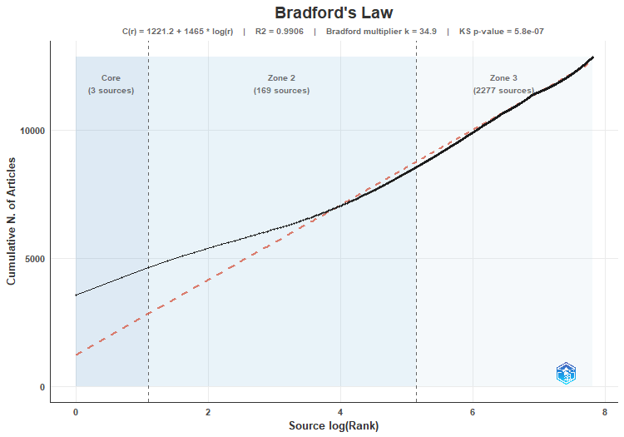
SO | Rank | Freq | cumFreq | Zone
 | 1 | 3577 | 3577 | Zone 1
LECTURE NOTES IN COMPUTER SCIENCE | 2 | 675 | 4252 | Zone 1
ZENODO (CERN EUROPEAN ORGANIZATION FOR NUCLEAR RESEARCH) | 3 | 371 | 4623 | Zone 1
SSRN ELECTRONIC JOURNAL | 4 | 276 | 4899 | Zone 2
ARXIV (CORNELL UNIVERSITY) | 5 | 178 | 5077 | Zone 2
PHYSICAL REVIEW. A/PHYSICAL REVIEW, A | 6 | 155 | 5232 | Zone 2
IEEE ACCESS | 7 | 117 | 5349 | Zone 2
RESEARCH SQUARE | 8 | 110 | 5459 | Zone 2
EXPERT SYSTEMS WITH APPLICATIONS | 9 | 78 | 5537 | Zone 2
COMMUNICATIONS IN COMPUTER AND INFORMATION SCIENCE | 10 | 72 | 5609 | Zone 2
ANAIS CONGRESSO BRASILEIRO DE ENERGIA SOLAR | 11 | 68 | 5677 | Zone 2
LECTURE NOTES IN NETWORKS AND SYSTEMS | 12 | 65 | 5742 | Zone 2
HAL (LE CENTRE POUR LA COMMUNICATION SCIENTIFIQUE DIRECTE) | 13 | 58 | 5800 | Zone 2
JOURNAL OF SOUTH AMERICAN EARTH SCIENCES | 14 | 58 | 5858 | Zone 2
QUANTUM INFORMATION PROCESSING | 15 | 52 | 5910 | Zone 2
HARVARD DATAVERSE | 16 | 49 | 5959 | Zone 2
APPLIED SOFT COMPUTING | 17 | 43 | 6002 | Zone 2
IEEE LATIN AMERICA TRANSACTIONS | 18 | 42 | 6044 | Zone 2
INFORMATION SCIENCES | 19 | 41 | 6085 | Zone 2
LA REFERENCIA (RED FEDERADA DE REPOSITORIOS INSTITUCIONALES DE PUBLICACIONES CIENTÍFICAS) | 20 | 41 | 6126 | Zone 2
CONGRESSO BRASILEIRO DE AUTOMÁTICA | 21 | 39 | 6165 | Zone 2
JOURNAL OF THE BRAZILIAN COMPUTER SOCIETY | 22 | 38 | 6203 | Zone 2
ANAIS DO SIMPÓSIO BRASILEIRO DE PESQUISA OPERACIONAL | 23 | 36 | 6239 | Zone 2
SENSORS | 24 | 35 | 6274 | Zone 2
ADVANCES IN INTELLIGENT SYSTEMS AND COMPUTING | 25 | 34 | 6308 | Zone 2
APPLIED SCIENCES | 26 | 31 | 6339 | Zone 2
ELECTRONIC PROCEEDINGS IN THEORETICAL COMPUTER SCIENCE | 27 | 30 | 6369 | Zone 2
LANGUAGE RESOURCES AND EVALUATION | 28 | 30 | 6399 | Zone 2
ENTROPY | 29 | 29 | 6428 | Zone 2
RESEARCH SOCIETY AND DEVELOPMENT | 30 | 29 | 6457 | Zone 2
ABRALIN | 31 | 28 | 6485 | Zone 2
NEUROCOMPUTING | 32 | 28 | 6513 | Zone 2
SCIENTIFIC REPORTS | 33 | 28 | 6541 | Zone 2
ANAIS DO CONGRESSO BRASILEIRO DE AUTOMÁTICA 2020 | 34 | 27 | 6568 | Zone 2
SN COMPUTER SCIENCE | 35 | 27 | 6595 | Zone 2
KNOWLEDGE AND INFORMATION SYSTEMS | 36 | 26 | 6621 | Zone 2
NEURAL COMPUTING AND APPLICATIONS | 37 | 26 | 6647 | Zone 2
DOAJ (DOAJ: DIRECTORY OF OPEN ACCESS JOURNALS) | 38 | 25 | 6672 | Zone 2
ENERGIES | 39 | 25 | 6697 | Zone 2
ENGINEERING APPLICATIONS OF ARTIFICIAL INTELLIGENCE | 40 | 25 | 6722 | Zone 2
KNOWLEDGE-BASED SYSTEMS | 41 | 25 | 6747 | Zone 2
PREPRINTS.ORG | 42 | 25 | 6772 | Zone 2
ARTIFICIAL INTELLIGENCE REVIEW | 43 | 24 | 6796 | Zone 2
...

SourceLocImpact
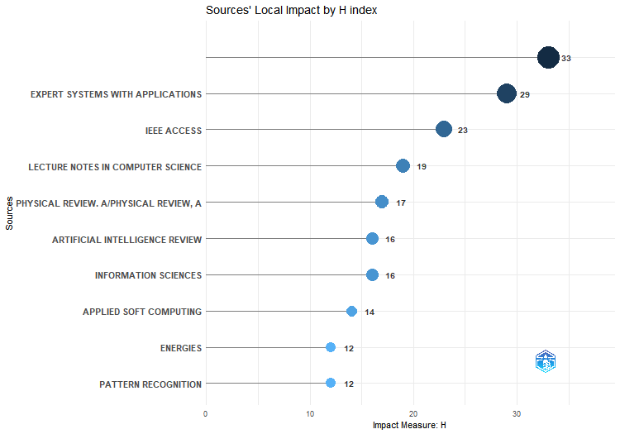
g_index | m_index | TC | NP | PY_start
54 | 4.7142857143 | 8814 | 3577 | 2020
47 | 4.1428571429 | 2430 | 78 | 2020
35 | 3.2857142857 | 1512 | 117 | 2020
39 | 2.7142857143 | 2945 | 675 | 2020
24 | 2.4285714286 | 1128 | 155 | 2020
24 | 2.2857142857 | 1635 | 24 | 2020
25 | 2.2857142857 | 738 | 41 | 2020
27 | 2 | 782 | 43 | 2020
23 | 1.7142857143 | 533 | 25 | 2020
17 | 1.7142857143 | 718 | 17 | 2020
22 | 1.7142857143 | 536 | 35 | 2020
21 | 1.5714285714 | 455 | 31 | 2020
16 | 1.5714285714 | 356 | 58 | 2020
19 | 1.5714285714 | 386 | 28 | 2020
17 | 1.5714285714 | 499 | 17 | 2020
16 | 1.5714285714 | 355 | 52 | 2020
20 | 1.8333333333 | 432 | 28 | 2021
23 | 1.2857142857 | 671 | 178 | 2020
13 | 1.2857142857 | 193 | 25 | 2020
10 | 1.2857142857 | 426 | 10 | 2020
18 | 1.2857142857 | 513 | 18 | 2020
13 | 1.2857142857 | 254 | 42 | 2020
17 | 1.2857142857 | 331 | 25 | 2020
15 | 1.2857142857 | 255 | 30 | 2020
11 | 1.2857142857 | 165 | 26 | 2020
11 | 1.5 | 151 | 21 | 2021
8 | 1.3333333333 | 499 | 8 | 2021
15 | 1.1428571429 | 361 | 15 | 2020
13 | 1.1428571429 | 583 | 13 | 2020
18 | 1.1428571429 | 339 | 26 | 2020
15 | 1.1428571429 | 381 | 15 | 2020
12 | 1.1428571429 | 169 | 18 | 2020
12 | 1.1428571429 | 236 | 371 | 2020
9 | 1 | 86 | 9 | 2020
11 | 1 | 158 | 11 | 2020
14 | 1 | 202 | 17 | 2020
13 | 1 | 188 | 13 | 2020
12 | 1 | 155 | 16 | 2020
9 | 1.1666666667 | 258 | 9 | 2021
14 | 1 | 209 | 16 | 2020
13 | 1 | 190 | 13 | 2020
11 | 0.85714285714 | 234 | 11 | 2020
8 | 0.85714285714 | 135 | 72 | 2020
...

SourceProdOverTime
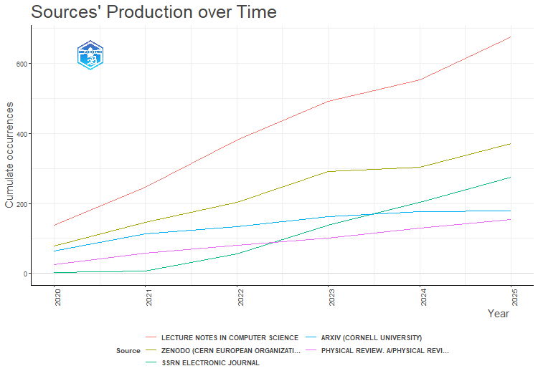
LECTURE NOTES IN COMPUTER SCIENCE | ZENODO (CERN EUROPEAN ORGANIZATION FOR NUCLEAR RESEARCH) | SSRN ELECTRONIC JOURNAL | ARXIV (CORNELL UNIVERSITY) | PHYSICAL REVIEW. A/PHYSICAL REVIEW, A
137 | 78 | 2 | 64 | 25
247 | 146 | 7 | 113 | 58
381 | 204 | 57 | 133 | 81
491 | 291 | 138 | 163 | 102
553 | 303 | 203 | 177 | 129
675 | 371 | 276 | 178 | 155

MostRelAuthors
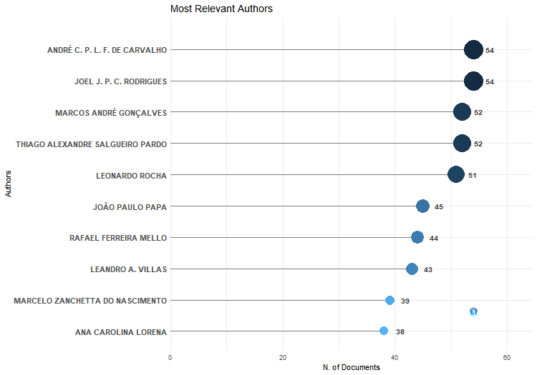
Authors | Articles | Articles Fractionalized
ANDRÉ C. P. L. F. DE CARVALHO | 54 | 11.990673989
JOEL J. P. C. RODRIGUES | 54 | 10.095634921
MARCOS ANDRÉ GONÇALVES | 52 | 11.583860481
THIAGO ALEXANDRE SALGUEIRO PARDO | 52 | 15.976190476
LEONARDO ROCHA | 51 | 10.763707534
JOÃO PAULO PAPA | 45 | 10.005952381
RAFAEL FERREIRA MELLO | 44 | 7.5575757576
LEANDRO A. VILLAS | 43 | 9.7285714286
MARCELO ZANCHETTA DO NASCIMENTO | 39 | 6.9813852814
ANA CAROLINA LORENA | 38 | 10.019047619
PÉRICLES MIRANDA | 38 | 7.1448773449
ALINE PAES | 37 | 10.142857143
ANNA HELENA REALI COSTA | 37 | 9.9990190365
FÁBIO GAGLIARDI COZMAN | 37 | 12.242074592
JONAS MAZIERO | 37 | 14.142857143
FABRÍCIO OLIVETTI DE FRANÇA | 36 | 16.226190476
GISELE L. PAPPA | 36 | 10.029401154
WESLEY K. G. ASSUNÇÃO | 36 | 7.6595238095
EDSON OLIVEIRAJR | 34 | 11.344444444
JEAN PAUL BARDDAL | 34 | 9.319047619
LEANDRO ALVES NEVES | 33 | 5.5313852814
JOMI FRED HÜBNER | 32 | 9.5211111111
JÚLIO CESAR DOS REIS | 32 | 8.7666666667
GIANCARLO LUCCA | 31 | 4.7634920635
MARCO A. CASANOVA | 31 | 7.402020202
VICTOR HUGO C. DE ALBUQUERQUE | 31 | 6.3535714286
RICARDO B. C. PRUDÊNCIO | 30 | 8.9619047619
RICARDO CERRI | 30 | 9.6428571429
CELSO J. VILLAS-BÔAS | 29 | 5.8782790309
CLEBER ZANCHETTIN | 29 | 7.8416666667
FELIPE MENEGUZZI | 29 | 9.4428571429
LEANDRO DOS SANTOS COELHO | 29 | 7.2444444444
ALLAN M. DE SOUZA | 28 | 5.4595238095
GEORGE D. C. CAVALCANTI | 28 | 8.5333333333
JAVAM C. MACHADO | 27 | 8.6916666667
WASHINGTON CUNHA | 27 | 5.3599529555
ANDERSON ROCHA | 26 | 6.9095238095
ANSELMO CARDOSO DE PAIVA | 26 | 4.8083333333
CÉSAR AUGUSTO TACLA | 26 | 8.3277777778
EDWARD HERMANN HÆUSLER | 26 | 9.4416666667
IG IBERT BITTENCOURT | 26 | 4.2552669553
RAFAEL H. BORDINI | 26 | 6.5357142857
RICARDO MARCONDES MARCACINI | 26 | 8.219047619
...

AuthorProdOverTime
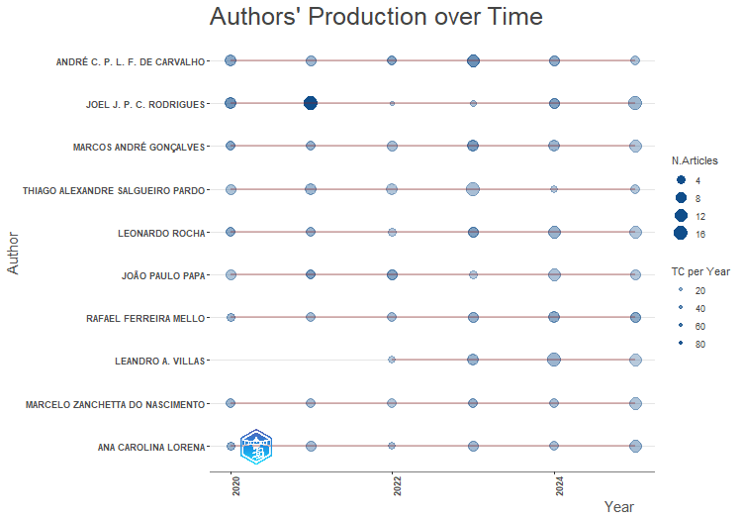
TI | SO | DOI | TC | TCpY
SIBW: A Swarm Intelligence-Based Network Flow Watermarking Approach for Privacy Leakage Detection in Digital Healthcare Systems | IEEE JOURNAL OF BIOMEDICAL AND HEALTH INFORMATICS | 10.1109/jbhi.2025.3542561 | 12 | 6
Incremental Semi-Supervised Learning for Data Streams Classification in Internet of Things | IEEE TRANSACTIONS ON NETWORK AND SERVICE MANAGEMENT | 10.1109/tnsm.2025.3546649 | 9 | 4.5
Automated classification of oral potentially malignant disorders and oral squamous cell carcinoma using a convolutional neural network framework: a cross-sectional study | THE LANCET REGIONAL HEALTH - AMERICAS | 10.1016/j.lana.2025.101138 | 7 | 3.5
Differentially Private Federated Learning for Genomic-Based Stomach Adenocarcinoma Detection in Consumer Medical IoT | IEEE TRANSACTIONS ON CONSUMER ELECTRONICS | 10.1109/tce.2025.3565962 | 2 | 1
Performance Analysis of LLMs for Abstractive Summarization of Brazilian Legislative Documents | CONFERENCE ON DIGITAL GOVERNMENT RESEARCH | 10.59490/dgo.2025.969 | 2 | 1
Adversarial Machine Learning for Robust and Secure UAV Detection in Consumer Applications | IEEE TRANSACTIONS ON CONSUMER ELECTRONICS | 10.1109/tce.2025.3572255 | 2 | 1
Energy-Efficient-Enabled Edge-AI-IoT Integrated Traffic Incident Analysis and Avoidance of Secondary Incidents | IEEE INTERNET OF THINGS JOURNAL | 10.1109/jiot.2025.3555408 | 1 | 0.5
Using reinforcement learning in genome assembly: in-depth analysis of a Q-learning assembler | FRONTIERS IN BIOINFORMATICS | 10.3389/fbinf.2025.1633623 | 1 | 0.5
Personalized Federated Learning with Progressive Local Training Strategy and Lightweight Classifier | APPLIED SCIENCES | 10.3390/app15052481 | 0 | 0
Efficient online tree, rule-based and distance-based algorithms | JOURNAL OF THE BRAZILIAN COMPUTER SOCIETY | 10.5753/jbcs.2025.5117 | 0 | 0
LLM-FaaS: A Secured Large Language Model assisted Fog-as-a-Service Framework |  | 10.23919/splitech65624.2025.11091727 | 0 | 0
XAI-OptiEV: Explainable DL Framework for Optical Fiber Fault Detection to Optimize Energy Efficiency at EV Charging Stations |  | 10.23919/splitech65624.2025.11091797 | 0 | 0
Enhanced Particle Swarm Optimization to Solve Traveling Salesman Problem | LECTURE NOTES IN NETWORKS AND SYSTEMS | 10.1007/978-981-96-3797-3_7 | 0 | 0
Safe Tactical Decision-Making for Autonomous Vehicles Considering Uncertainties in Deep Learning-Based Visual Perception | IEEE TRANSACTIONS ON VEHICULAR TECHNOLOGY | 10.1109/tvt.2025.3607513 | 0 | 0
A Scientometric Review of Practical Applications in Quantum Natural Language Processing (QNLP): Trends, Gaps, and Research Opportunities | IEEE ACCESS | 10.1109/access.2025.3638646 | 0 | 0
Comparative analysis of data sampling techniques for legal text classification in real-world scenarios | LOGIC JOURNAL OF IGPL | 10.1093/jigpal/jzaf044 | 0 | 0
Guest Editorial Federated Semi-Supervised Learning for Personalized Biomedical and Healthcare Applications in Consumer Electronics | IEEE TRANSACTIONS ON CONSUMER ELECTRONICS | 10.1109/tce.2025.3604440 | 0 | 0
AI In Breast, Ovarian, And Uterine Cancer Treatment: A Revolution In Genomics | ZENODO (CERN EUROPEAN ORGANIZATION FOR NUCLEAR RESEARCH) | 10.5281/zenodo.18066678 | 0 | 0
AI In Breast, Ovarian, And Uterine Cancer Treatment: A Revolution In Genomics | ZENODO (CERN EUROPEAN ORGANIZATION FOR NUCLEAR RESEARCH) | 10.5281/zenodo.18066679 | 0 | 0
Mitigating Privacy Issues in RAG through Causal Disentanglement |  | 10.1109/bigdata66926.2025.11402042 | 0 | 0
Better trees: an empirical study on hyperparameter tuning of classification decision tree induction algorithms | DATA MINING AND KNOWLEDGE DISCOVERY | 10.1007/s10618-024-01002-5 | 47 | 15.666666667
Fault Detection and Semantic Segmentation on Railway Track Using Deep Fusion Model | IEEE ACCESS | 10.1109/access.2024.3462822 | 17 | 5.6666666667
Blockchain-assisted healthcare insurance fraud detection framework using ensemble learning | COMPUTERS & ELECTRICAL ENGINEERING | 10.1016/j.compeleceng.2024.109898 | 16 | 5.3333333333
A Secure and Privacy-Preserving Signature Protocol Using Quantum Teleportation in Metaverse Environment | IEEE ACCESS | 10.1109/access.2024.3427268 | 15 | 5
Energy-Efficient Joint Optimization of Sensing and Computation in MEC-Assisted IoT Using Mean-Field Game | IEEE INTERNET OF THINGS JOURNAL | 10.1109/jiot.2024.3443701 | 13 | 4.3333333333
Consumer QoE-Aware Cognitive Semantic Sentiment Analysis via Hybrid Large Models | IEEE CONSUMER ELECTRONICS MAGAZINE | 10.1109/mce.2024.3437550 | 11 | 3.6666666667
Building a relevance feedback corpus for legal information retrieval in the real-case scenario of the Brazilian Chamber of Deputies | LANGUAGE RESOURCES AND EVALUATION | 10.1007/s10579-024-09767-3 | 4 | 1.3333333333
Design of Tiny Contrastive Learning Network With Noise Tolerance for Unauthorized Device Identification in Internet of UAVs | IEEE INTERNET OF THINGS JOURNAL | 10.1109/jiot.2024.3376529 | 6 | 2
AALMOND: Decentralized Adaptive Access Control of Multiparty Data Sharing in Industrial Networks | IEEE INTERNET OF THINGS JOURNAL | 10.1109/jiot.2024.3392933 | 5 | 1.6666666667
Enhancing Explainability in Oral Cancer Detection with Grad-CAM Visualizations | LECTURE NOTES IN COMPUTER SCIENCE | 10.1007/978-3-031-64605-8_11 | 3 | 1
Segmenting Brazilian legislative text using weak supervision and active learning | ARTIFICIAL INTELLIGENCE AND LAW | 10.1007/s10506-024-09419-5 | 1 | 0.33333333333
HIRS: A Hybrid Information Retrieval System for Legislative Documents | LECTURE NOTES IN COMPUTER SCIENCE | 10.1007/978-3-031-73497-7_26 | 1 | 0.33333333333
Efficient Parameter Mining and Freezing for Continual Object Detection |  | 10.5220/0012362300003660 | 2 | 0.66666666667
LegalSum: Towards Tool for Evaluation for Extractive Summarization of Brazilian Lawsuits | LECTURE NOTES IN NETWORKS AND SYSTEMS | 10.1007/978-3-031-54256-5_24 | 2 | 0.66666666667
Ulysses Tesemõ: a new large corpus for Brazilian legal and governmental domain | LANGUAGE RESOURCES AND EVALUATION | 10.1007/s10579-024-09762-8 | 2 | 0.66666666667
Edge-Intelligence based Federated Learning in the Internet of Medical Things |  | 10.23919/splitech61897.2024.10612490 | 1 | 0.33333333333
A step toward a reinforcement learning de novo genome assembler | RESEARCH SQUARE | 10.21203/rs.3.rs-3810568/v1 | 0 | 0
Blockchain and Quantum-based Collaborative Communication Framework for Telehealth |  | 10.1109/healthcom60970.2024.10880726 | 0 | 0
Continual Object Detection: A review of definitions, strategies, and challenges | NEURAL NETWORKS | 10.1016/j.neunet.2023.01.041 | 65 | 16.25
Machine learning concepts applied to oral pathology and oral medicine: A convolutional neural networks' approach | JOURNAL OF ORAL PATHOLOGY AND MEDICINE | 10.1111/jop.13397 | 41 | 10.25
Neural architecture search with interpretable meta-features and fast predictors | INFORMATION SCIENCES | 10.1016/j.ins.2023.119642 | 22 | 5.5
AD‐Graph: Weakly Supervised Anomaly Detection Graph Neural Network | INTERNATIONAL JOURNAL OF INTELLIGENT SYSTEMS | 10.1155/2023/7868415 | 17 | 4.25
Interpretable Cognitive Internet of Things for Healthcare | INTERNET OF THINGS | 10.1007/978-3-031-08637-3 | 13 | 3.25
...

AuthorLocImpact
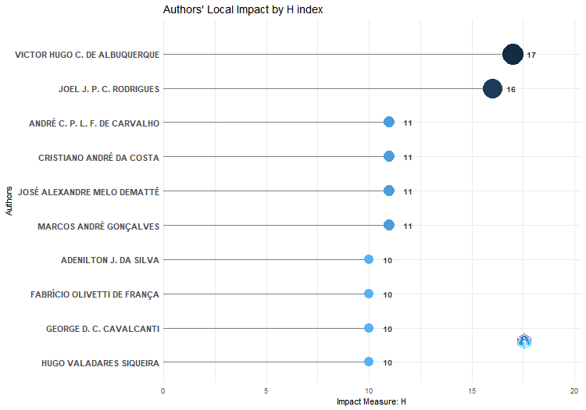
g_index | m_index | TC | NP | PY_start
31 | 2.4285714286 | 1261 | 31 | 2020
30 | 2.2857142857 | 926 | 54 | 2020
23 | 1.5714285714 | 598 | 54 | 2020
18 | 1.5714285714 | 1244 | 18 | 2020
21 | 1.5714285714 | 596 | 21 | 2020
21 | 1.5714285714 | 476 | 52 | 2020
19 | 1.4285714286 | 437 | 19 | 2020
20 | 1.4285714286 | 425 | 36 | 2020
23 | 1.4285714286 | 564 | 28 | 2020
18 | 1.4285714286 | 347 | 25 | 2020
25 | 1.4285714286 | 653 | 29 | 2020
20 | 1.4285714286 | 436 | 51 | 2020
15 | 1.4285714286 | 259 | 39 | 2020
17 | 1.4285714286 | 355 | 38 | 2020
17 | 1.4285714286 | 353 | 44 | 2020
16 | 1.4285714286 | 314 | 16 | 2020
20 | 1.2857142857 | 442 | 20 | 2020
14 | 1.2857142857 | 224 | 22 | 2020
15 | 1.2857142857 | 248 | 17 | 2020
15 | 1.2857142857 | 240 | 22 | 2020
13 | 1.2857142857 | 226 | 36 | 2020
17 | 1.2857142857 | 318 | 34 | 2020
18 | 1.2857142857 | 353 | 45 | 2020
13 | 1.2857142857 | 201 | 33 | 2020
14 | 1.2857142857 | 200 | 26 | 2020
10 | 1.1428571429 | 125 | 23 | 2020
16 | 1.1428571429 | 290 | 38 | 2020
10 | 1.1428571429 | 112 | 12 | 2020
10 | 1.1428571429 | 118 | 16 | 2020
14 | 1.1428571429 | 209 | 29 | 2020
10 | 1.1428571429 | 112 | 12 | 2020
15 | 1.1428571429 | 262 | 29 | 2020
17 | 1.1428571429 | 313 | 18 | 2020
11 | 1.1428571429 | 205 | 11 | 2020
13 | 1.3333333333 | 189 | 21 | 2021
18 | 1.1428571429 | 332 | 22 | 2020
12 | 1.1428571429 | 182 | 21 | 2020
11 | 1.1428571429 | 139 | 18 | 2020
12 | 1.1428571429 | 192 | 37 | 2020
10 | 1.1428571429 | 114 | 17 | 2020
12 | 1.1428571429 | 208 | 12 | 2020
16 | 1.1428571429 | 281 | 21 | 2020
13 | 1.1428571429 | 185 | 23 | 2020
...

MostRelAffiliations
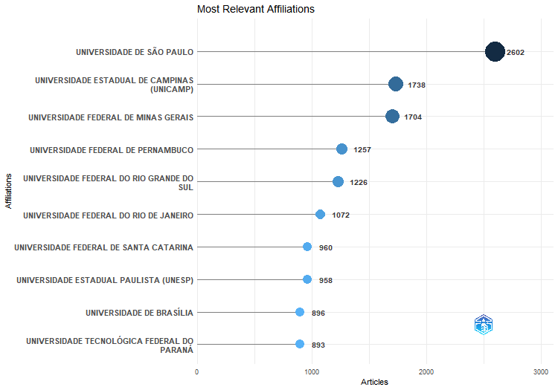
Affiliation | Articles
UNIVERSIDADE DE SÃO PAULO | 2602
UNIVERSIDADE ESTADUAL DE CAMPINAS (UNICAMP) | 1738
UNIVERSIDADE FEDERAL DE MINAS GERAIS | 1704
UNIVERSIDADE FEDERAL DE PERNAMBUCO | 1257
UNIVERSIDADE FEDERAL DO RIO GRANDE DO SUL | 1226
UNIVERSIDADE FEDERAL DO RIO DE JANEIRO | 1072
UNIVERSIDADE FEDERAL DE SANTA CATARINA | 960
UNIVERSIDADE ESTADUAL PAULISTA (UNESP) | 958
UNIVERSIDADE DE BRASÍLIA | 896
UNIVERSIDADE TECNOLÓGICA FEDERAL DO PARANÁ | 893
UNIVERSIDADE FEDERAL DO CEARÁ | 857
UNIVERSIDADE FEDERAL FLUMINENSE | 805
UNIVERSIDADE FEDERAL DE SÃO CARLOS | 716
UNIVERSIDADE FEDERAL DO RIO GRANDE DO NORTE | 644
PONTIFÍCIA UNIVERSIDADE CATÓLICA DO RIO DE JANEIRO | 551
UNIVERSIDADE FEDERAL DO PARANÁ | 540
INSTITUTO FEDERAL DE EDUCAÇÃO | 515
UNIVERSIDADE FEDERAL DA BAHIA | 502
UNIVERSIDADE FEDERAL DE JUIZ DE FORA | 471
UNIVERSIDADE FEDERAL RURAL DE PERNAMBUCO | 456
UNIVERSIDADE DO ESTADO DO RIO DE JANEIRO | 445
UNIVERSIDADE FEDERAL DO PARÁ | 437
UNIVERSIDADE FEDERAL DE ALAGOAS | 426
UNIVERSIDADE FEDERAL DO ESPÍRITO SANTO | 426
UNIVERSIDADE FEDERAL DE UBERLÂNDIA | 421
UNIVERSIDADE FEDERAL DE SANTA MARIA | 391
PONTIFÍCIA UNIVERSIDADE CATÓLICA DO RIO GRANDE DO SUL | 389
PONTIFÍCIA UNIVERSIDADE CATÓLICA DO PARANÁ | 379
UNIVERSIDADE DO VALE DO RIO DOS SINOS | 355
UNIVERSIDADE DE PERNAMBUCO | 344
PONTIFICAL CATHOLIC UNIVERSITY OF RIO DE JANEIRO | 341
UNIVERSIDADE FEDERAL DE OURO PRETO | 340
UNIVERSIDADE FEDERAL DE GOIÁS | 336
UNIVERSIDADE FEDERAL DE CAMPINA GRANDE | 303
UNIVERSIDADE FEDERAL DO ABC | 292
UNIVERSIDADE FEDERAL DO PIAUÍ | 283
UNIVERSIDADE FEDERAL DO AMAZONAS | 281
UNIVERSIDADE FEDERAL DO MARANHÃO | 281
UNIVERSIDADE FEDERAL DE PELOTAS | 280
UNIVERSIDADE FEDERAL DE SÃO PAULO | 272
UNIVERSIDADE FEDERAL DA PARAÍBA | 268
CENTRE NATIONAL DE LA RECHERCHE SCIENTIFIQUE | 264
INSTITUTO TECNOLÓGICO DE AERONÁUTICA | 259
...

AffOverTime
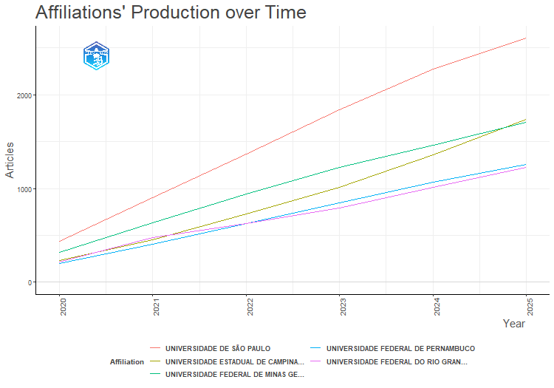
Affiliation | Year | Articles
UNIVERSIDADE DE SÃO PAULO | 2020 | 436
UNIVERSIDADE DE SÃO PAULO | 2021 | 900
UNIVERSIDADE DE SÃO PAULO | 2022 | 1370
UNIVERSIDADE DE SÃO PAULO | 2023 | 1843
UNIVERSIDADE DE SÃO PAULO | 2024 | 2276
UNIVERSIDADE DE SÃO PAULO | 2025 | 2602
UNIVERSIDADE ESTADUAL DE CAMPINAS (UNICAMP) | 2020 | 231
UNIVERSIDADE ESTADUAL DE CAMPINAS (UNICAMP) | 2021 | 456
UNIVERSIDADE ESTADUAL DE CAMPINAS (UNICAMP) | 2022 | 726
UNIVERSIDADE ESTADUAL DE CAMPINAS (UNICAMP) | 2023 | 1012
UNIVERSIDADE ESTADUAL DE CAMPINAS (UNICAMP) | 2024 | 1356
UNIVERSIDADE ESTADUAL DE CAMPINAS (UNICAMP) | 2025 | 1738
UNIVERSIDADE FEDERAL DE MINAS GERAIS | 2020 | 322
UNIVERSIDADE FEDERAL DE MINAS GERAIS | 2021 | 631
UNIVERSIDADE FEDERAL DE MINAS GERAIS | 2022 | 939
UNIVERSIDADE FEDERAL DE MINAS GERAIS | 2023 | 1223
UNIVERSIDADE FEDERAL DE MINAS GERAIS | 2024 | 1466
UNIVERSIDADE FEDERAL DE MINAS GERAIS | 2025 | 1704
UNIVERSIDADE FEDERAL DE PERNAMBUCO | 2020 | 202
UNIVERSIDADE FEDERAL DE PERNAMBUCO | 2021 | 406
UNIVERSIDADE FEDERAL DE PERNAMBUCO | 2022 | 625
UNIVERSIDADE FEDERAL DE PERNAMBUCO | 2023 | 844
UNIVERSIDADE FEDERAL DE PERNAMBUCO | 2024 | 1066
UNIVERSIDADE FEDERAL DE PERNAMBUCO | 2025 | 1257
UNIVERSIDADE FEDERAL DO RIO GRANDE DO SUL | 2020 | 213
UNIVERSIDADE FEDERAL DO RIO GRANDE DO SUL | 2021 | 473
UNIVERSIDADE FEDERAL DO RIO GRANDE DO SUL | 2022 | 629
UNIVERSIDADE FEDERAL DO RIO GRANDE DO SUL | 2023 | 793
UNIVERSIDADE FEDERAL DO RIO GRANDE DO SUL | 2024 | 1011
UNIVERSIDADE FEDERAL DO RIO GRANDE DO SUL | 2025 | 1226

CorrAuthCountries
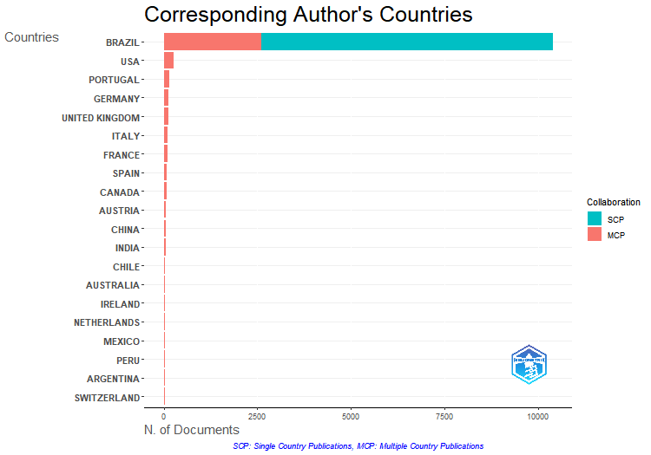
Articles | Articles % | SCP | MCP | MCP %
10385 | 80.848579214 | 7782 | 2603 | 25.064997593
275 | 2.1409108603 | 0 | 275 | 100
137 | 1.0665628649 | 0 | 137 | 100
123 | 0.95757103931 | 0 | 123 | 100
117 | 0.91086025691 | 0 | 117 | 100
104 | 0.8096535617 | 0 | 104 | 100
103 | 0.8018684313 | 0 | 103 | 100
77 | 0.59945504087 | 0 | 77 | 100
70 | 0.54495912807 | 0 | 70 | 100
64 | 0.49824834566 | 0 | 64 | 100
64 | 0.49824834566 | 0 | 64 | 100
62 | 0.48267808486 | 0 | 62 | 100
44 | 0.34254573764 | 0 | 44 | 100
41 | 0.31919034644 | 0 | 41 | 100
38 | 0.29583495524 | 0 | 38 | 100
37 | 0.28804982483 | 0 | 37 | 100
36 | 0.28026469443 | 0 | 36 | 100
35 | 0.27247956403 | 0 | 35 | 100
29 | 0.22576878163 | 0 | 29 | 100
28 | 0.21798365123 | 0 | 28 | 100
27 | 0.21019852083 | 0 | 27 | 100
17 | 0.13234721682 | 0 | 17 | 100
16 | 0.12456208641 | 0 | 16 | 100
15 | 0.11677695601 | 0 | 15 | 100
15 | 0.11677695601 | 0 | 15 | 100
13 | 0.10120669521 | 0 | 13 | 100
13 | 0.10120669521 | 0 | 13 | 100
13 | 0.10120669521 | 0 | 13 | 100
13 | 0.10120669521 | 0 | 13 | 100
12 | 0.093421564811 | 0 | 12 | 100
12 | 0.093421564811 | 0 | 12 | 100
11 | 0.08563643441 | 0 | 11 | 100
11 | 0.08563643441 | 0 | 11 | 100
10 | 0.077851304009 | 0 | 10 | 100
9 | 0.070066173608 | 0 | 9 | 100
9 | 0.070066173608 | 0 | 9 | 100
8 | 0.062281043207 | 0 | 8 | 100
8 | 0.062281043207 | 0 | 8 | 100
8 | 0.062281043207 | 0 | 8 | 100
7 | 0.054495912807 | 0 | 7 | 100
7 | 0.054495912807 | 0 | 7 | 100
7 | 0.054495912807 | 0 | 7 | 100
6 | 0.046710782406 | 0 | 6 | 100
...

CountrySciProd
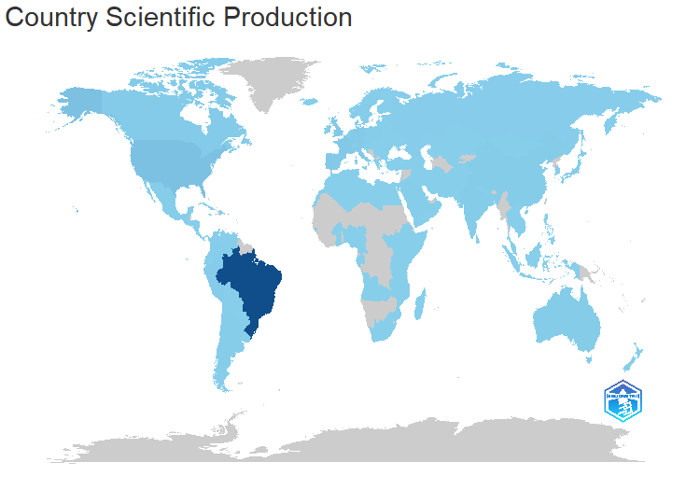
region | Freq
BRAZIL | 12845
USA | 1211
UK | 567
PORTUGAL | 526
FRANCE | 455
SPAIN | 409
GERMANY | 404
ITALY | 336
CANADA | 322
AUSTRALIA | 214
INDIA | 201
NETHERLANDS | 182
AUSTRIA | 150
PERU | 149
CHILE | 136
MEXICO | 130
CHINA | 111
SWEDEN | 111
SWITZERLAND | 102
IRELAND | 94
POLAND | 88
JAPAN | 81
BELGIUM | 80
ARGENTINA | 78
DENMARK | 70
SAUDI ARABIA | 70
COLOMBIA | 65
NORWAY | 62
SOUTH KOREA | 61
RUSSIA | 60
MOLDOVA | 53
CZECH REPUBLIC | 49
GREECE | 41
SOUTH AFRICA | 40
URUGUAY | 40
FINLAND | 39
NIGERIA | 36
NEW ZEALAND | 35
INDONESIA | 34
TURKEY | 33
ISRAEL | 30
MOZAMBIQUE | 26
PAKISTAN | 24
...

MostCitCountries
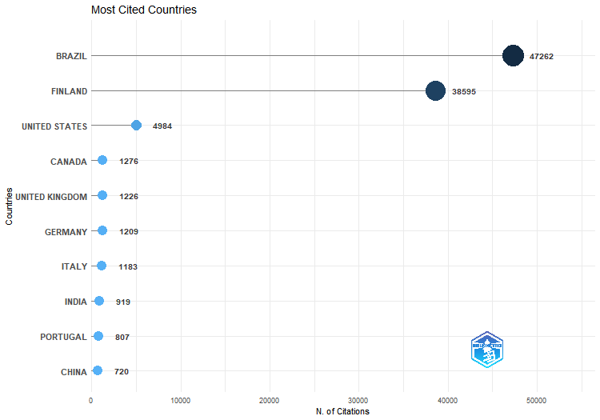
Country | TC | Average Article Citations
BRAZIL | 47262 | 4.6
FINLAND | 38595 | 2412.2
UNITED STATES | 4984 | 18.1
CANADA | 1276 | 18.2
UNITED KINGDOM | 1226 | 10.5
GERMANY | 1209 | 9.8
ITALY | 1183 | 11.4
INDIA | 919 | 14.8
PORTUGAL | 807 | 5.9
CHINA | 720 | 11.6
KOREA | 625 | 41.7
BELGIUM | 558 | 20.7
AUSTRIA | 531 | 8.3
SPAIN | 529 | 6.9
IRELAND | 526 | 13.8
NETHERLANDS | 483 | 13.1
FRANCE | 478 | 4.6
AUSTRALIA | 332 | 8.1
MEXICO | 324 | 9
IRAN | 296 | 26.9
CHILE | 290 | 6.6
NEW ZEALAND | 256 | 42.7
DENMARK | 238 | 26.4
SAUDI ARABIA | 231 | 21
PERU | 176 | 5
SWITZERLAND | 172 | 6.1
CAMEROON | 153 | 19.1
MALAYSIA | 151 | 21.6
ECUADOR | 130 | 26
JAPAN | 129 | 8.6
TAIWAN | 127 | 63.5
CZECH REPUBLIC | 123 | 20.5
MOLDOVA | 121 | 9.3
GREECE | 90 | 15
COLOMBIA | 88 | 5.2
PAKISTAN | 84 | 10.5
IRAQ | 79 | 13.2
U ARAB EMIRATES | 74 | 7.4
SLOVENIA | 69 | 34.5
ALGERIA | 65 | 13
SOUTH AFRICA | 65 | 32.5
SWEDEN | 64 | 4.9
ARGENTINA | 60 | 2.1
...

CountryProdOverTime
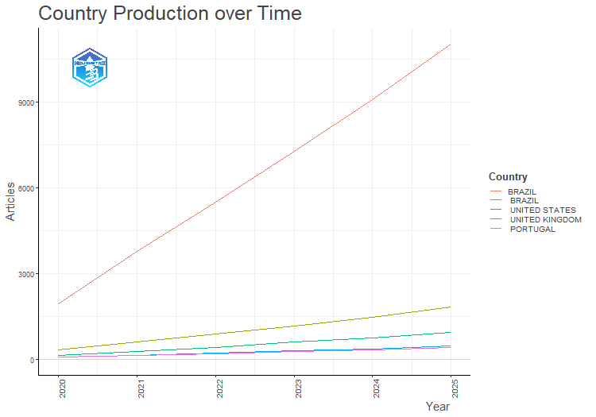
Country | Year | Articles
BRAZIL | 2020 | 326
BRAZIL | 2021 | 608
BRAZIL | 2022 | 882
BRAZIL | 2023 | 1175
BRAZIL | 2024 | 1473
BRAZIL | 2025 | 1820
PORTUGAL | 2020 | 81
PORTUGAL | 2021 | 140
PORTUGAL | 2022 | 201
PORTUGAL | 2023 | 265
PORTUGAL | 2024 | 327
PORTUGAL | 2025 | 404
UNITED KINGDOM | 2020 | 75
UNITED KINGDOM | 2021 | 150
UNITED KINGDOM | 2022 | 216
UNITED KINGDOM | 2023 | 303
UNITED KINGDOM | 2024 | 369
UNITED KINGDOM | 2025 | 464
UNITED STATES | 2020 | 140
UNITED STATES | 2021 | 282
UNITED STATES | 2022 | 422
UNITED STATES | 2023 | 599
UNITED STATES | 2024 | 758
UNITED STATES | 2025 | 929
BRAZIL | 2020 | 1945
BRAZIL | 2021 | 3785
BRAZIL | 2022 | 5489
BRAZIL | 2023 | 7277
BRAZIL | 2024 | 9065
BRAZIL | 2025 | 11025

MostGlobCitDocs
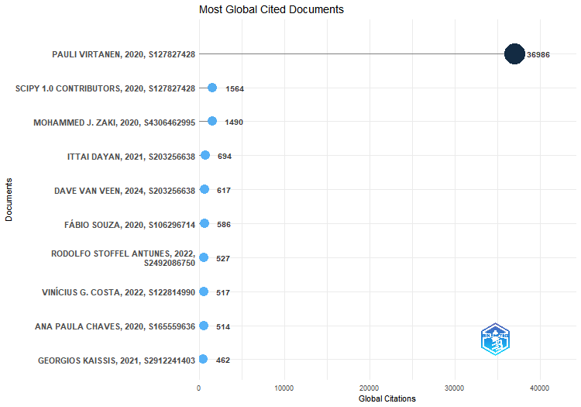
Paper | DOI | Total Citations | TC per Year | Normalized TC
PAULI VIRTANEN, 2020, S127827428 | 10.1038/s41592-019-0686-2 | 36986 | 5283.7 | 1366.1089046
SCIPY 1.0 CONTRIBUTORS, 2020, S127827428 | 10.1038/s41592-020-0772-5 | 1564 | 223.4 | 57.767650646
MOHAMMED J. ZAKI, 2020, S4306462995 | 10.1017/9781108564175.026 | 1490 | 212.9 | 55.034398634
ITTAI DAYAN, 2021, S203256638 | 10.1038/s41591-021-01506-3 | 694 | 115.7 | 86.913833805
DAVE VAN VEEN, 2024, S203256638 | 10.1038/s41591-024-02855-5 | 617 | 205.7 | 191.10051967
FÁBIO SOUZA, 2020, S106296714 | 10.1007/978-3-030-61377-8_28 | 586 | 83.7 | 21.644401073
RODOLFO STOFFEL ANTUNES, 2022, S2492086750 | 10.1145/3501813 | 527 | 105.4 | 85.422109317
VINÍCIUS G. COSTA, 2022, S122814990 | 10.1007/s10462-022-10275-5 | 517 | 103.4 | 83.801196427
ANA PAULA CHAVES, 2020, S165559636 | 10.1080/10447318.2020.1841438 | 514 | 73.4 | 18.985020737
GEORGIOS KAISSIS, 2021, S2912241403 | 10.1038/s42256-021-00337-8 | 462 | 77 | 57.859065156
WILSON E. MARCÍLIO-JR, 2020, | 10.1109/sibgrapi51738.2020.00053 | 451 | 64.4 | 16.658062942
LUCAS AMORIM, 2022, S140556538 | 10.1016/j.asoc.2022.109924 | 324 | 64.8 | 52.517577645
CONOR F. HAYES, 2022, S4306402573 | 10.1007/s10458-022-09552-y | 317 | 63.4 | 51.382938622
JÖRG TIEDEMANN, 2021, | 10.18653/v1/2021.eacl-main | 307 | 51.2 | 38.447474032
ARTUR D’AVILA GARCEZ, 2023, S122814990 | 10.1007/s10462-023-10448-w | 284 | 71 | 66.885921231
RAFAEL FIGUEIREDO PRUDENCIO, 2023, S4210175523 | 10.1109/tnnls.2023.3250269 | 277 | 69.2 | 65.237324581
BENEDEK RÓZEMBERCZKI, 2022, S4363608755 | 10.24963/ijcai.2022/778 | 252 | 50.4 | 40.847004835
THIAGO SANTI BRESSAN, 2020, S61699894 | 10.1016/j.cageo.2020.104475 | 244 | 34.9 | 9.0123444743
ALLAN DE BARCELOS SILVA, 2020, S13144211 | 10.1016/j.eswa.2020.113193 | 225 | 32.1 | 8.3105635521
JOÃO LUIZ JUNHO PEREIRA, 2020, S13144211 | 10.1016/j.eswa.2020.114522 | 215 | 30.7 | 7.941205172
ADITYA KHAMPARIA, 2020, S32326811 | 10.1007/s11227-020-03159-4 | 206 | 29.4 | 7.6087826299
THIAGO DIAS OLIVA, 2020, S105379996 | 10.1007/s12119-020-09790-w | 197 | 28.1 | 7.2763600878
ADAM YALA, 2021, S15137598 | 10.1200/jco.21.01337 | 181 | 30.2 | 22.66772899
VITOR WERNER DE VARGAS, 2022, S81770430 | 10.1007/s10115-022-01772-8 | 178 | 35.6 | 28.852249447
PIERRE V. DANTAS, 2024, S74726891 | 10.1007/s10489-024-05747-w | 177 | 59 | 54.821380846
GIOVANNI IACCA, 2020, S13144211 | 10.1016/j.eswa.2020.113902 | 169 | 24.1 | 6.2421566236
ISRAEL F. ARAUJO, 2021, S196734849 | 10.1038/s41598-021-85474-1 | 167 | 27.8 | 20.914423985
LEONARD DA SILVA, 2021, S4394736614 | 10.1002/path.5662 | 165 | 27.5 | 20.663951841
JACOB MONTIEL, 2020, S4306400194 | 10.48550/arxiv.2012.04740 | 160 | 22.9 | 5.9097340815
GABRIEL RESENDE MACHADO, 2021, S157921468 | 10.1145/3485133 | 159 | 26.5 | 19.912535411
CARLOS ROPELATTO FERNANDES, 2024, S4387284411 | 10.57077/monumenta.v7i7.209 | 156 | 52 | 48.31714922
EVE RICHARDSON, 2024, S4210198061 | 10.1016/j.patter.2024.100994 | 155 | 51.7 | 48.007423905
LEANDRO SILVA, 2021, S4387284482 | 10.1609/icwsm.v10i1.14811 | 152 | 25.3 | 19.035882908
MARCELO FERNANDES COSTA, 2020, S164583999 | 10.11606/s1518-8787.2020054002494 | 152 | 21.7 | 5.6142473774
WOUTER BULTEN, 2020, S33606366 | 10.1038/s41379-020-0640-y | 152 | 21.7 | 5.6142473774
PAULO FREITAS DE ARAUJO-FILHO, 2020, S2480266640 | 10.1109/jiot.2020.3024800 | 150 | 21.4 | 5.5403757014
WASEEM ULLAH, 2021, S186357190 | 10.1016/j.future.2021.10.033 | 149 | 24.8 | 18.660174693
SEBASTIAN GEHRMANN, 2021, | 10.18653/v1/2021.gem-1.10 | 148 | 24.7 | 18.534938621
JONAS DIDERO TAKODJOU WAMBO, 2020, S29724373 | 10.1016/j.oregeorev.2020.103530 | 147 | 21 | 5.4295681874
VINICIUS M. A. SOUZA, 2020, S121920818 | 10.1007/s10618-020-00698-5 | 144 | 20.6 | 5.3187606733
WILLIAM LA CAVA, 2021, S4306525036 | 10.48550/arxiv.2107.14351 | 144 | 24 | 18.033994334
SERGIO ZAMBRANO-ASANZA, 2021, S68497187 | 10.1016/j.rser.2021.110853 | 143 | 23.8 | 17.908758263
F. H. KAMIN, 2020, S4210235286 | 10.1103/physreve.102.052109 | 140 | 20 | 5.1710173213
...

MostFreqWords
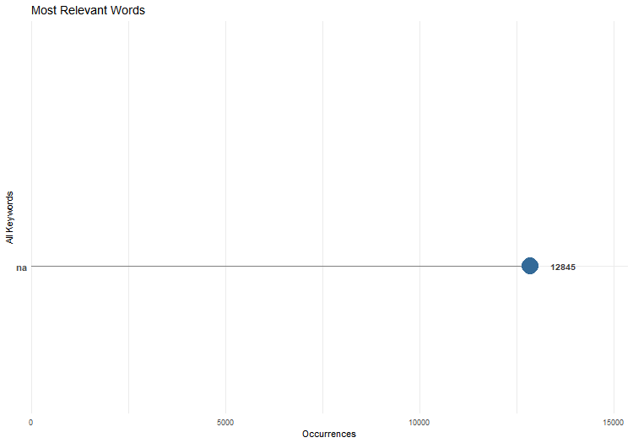
Words | Occurrences
na | 12845

